Figure 2.1
Trends in Australian Government receipts – underlying data

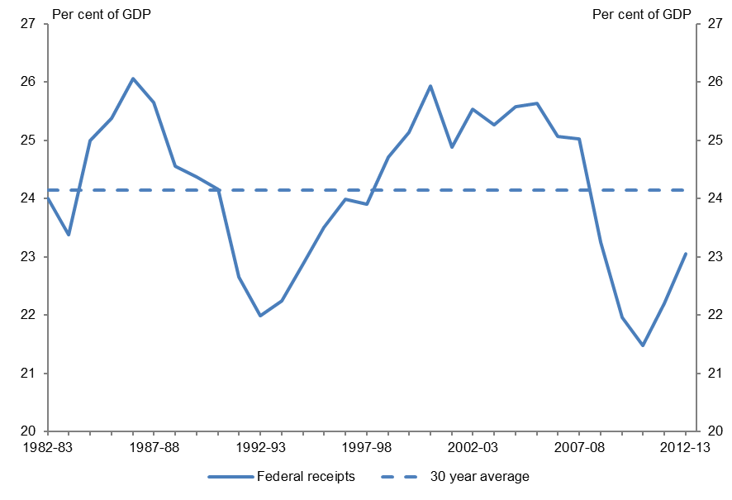
Figure 2.1 |  | Figure 2.1: Federal government receipts as a proportion of GDP
Federal government receipts as a proportion of GDP

 | Federal government receipts
Year | % of GDP
1982-83 | 24.01
1983-84 | 23.38
1984-85 | 24.99
1985-86 | 25.37
1986-87 | 26.06
1987-88 | 25.64
1988-89 | 24.56
1989-90 | 24.37
1990-91 | 24.16
1991-92 | 22.65
1992-93 | 21.99
1993-94 | 22.25
1994-95 | 22.88
1995-96 | 23.51
1996-97 | 23.99
1997-98 | 23.89
1998-99 | 24.71
1999-00 | 25.14
2000-01 | 25.94
2001-02 | 24.88
2002-03 | 25.54
2003-04 | 25.26
2004-05 | 25.58
2005-06 | 25.64
2006-07 | 25.07
2007-08 | 25.02
2008-09 | 23.25
2009-10 | 21.96
2010-11 | 21.47
2011-12 | 22.20
2012-13 | 23.05

Sources: PBO based on data from the ABS and Treasury

Figure 2.2
Trends in Australian Government receipts – underlying data

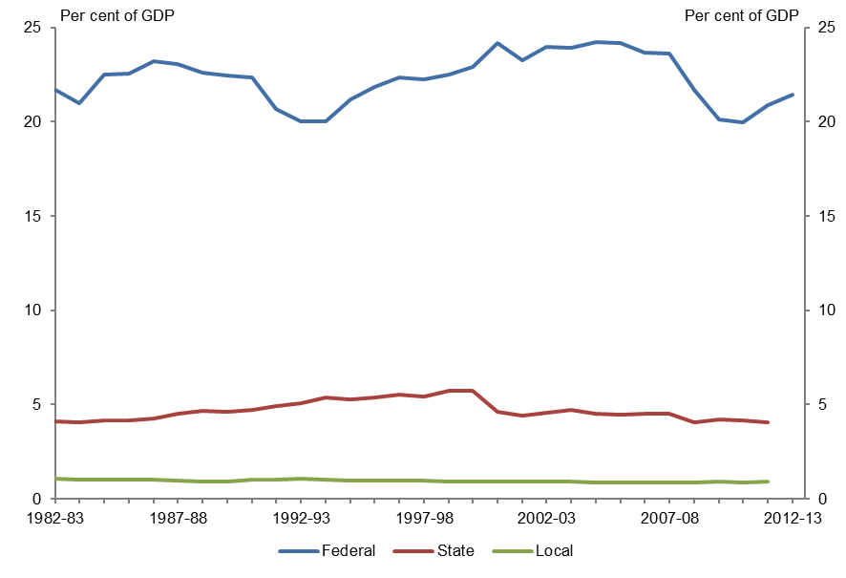
Figure 2.2 |  |  |  | Figure 2.2: Australia’s tax to GDP ratio by level of government
Australia's tax to GDP ratio by level of government

 | Federal tax receipts | State tax receipts | Local tax receipts
Year | % of GDP | % of GDP | % of GDP
1982-83 | 21.66 | 4.12 | 1.05
1983-84 | 20.98 | 4.05 | 1.03
1984-85 | 22.50 | 4.13 | 1.02
1985-86 | 22.55 | 4.14 | 1.01
1986-87 | 23.18 | 4.27 | 1.01
1987-88 | 23.06 | 4.49 | 0.97
1988-89 | 22.58 | 4.65 | 0.93
1989-90 | 22.43 | 4.61 | 0.94
1990-91 | 22.36 | 4.73 | 1.02
1991-92 | 20.65 | 4.94 | 1.04
1992-93 | 19.99 | 5.06 | 1.04
1993-94 | 20.01 | 5.36 | 1.02
1994-95 | 21.16 | 5.29 | 0.98
1995-96 | 21.86 | 5.36 | 0.97
1996-97 | 22.37 | 5.50 | 0.97
1997-98 | 22.24 | 5.43 | 0.96
1998-99 | 22.51 | 5.70 | 0.92
1999-00 | 22.89 | 5.72 | 0.91
2000-01 | 24.14 | 4.62 | 0.90
2001-02 | 23.23 | 4.42 | 0.90
2002-03 | 23.98 | 4.55 | 0.90
2003-04 | 23.91 | 4.70 | 0.89
2004-05 | 24.20 | 4.52 | 0.89
2005-06 | 24.16 | 4.45 | 0.88
2006-07 | 23.67 | 4.51 | 0.87
2007-08 | 23.61 | 4.52 | 0.86
2008-09 | 21.66 | 4.04 | 0.87
2009-10 | 20.13 | 4.22 | 0.90
2010-11 | 19.96 | 4.14 | 0.89
2011-12 | 20.86 | 4.05 | 0.90
2012-13 | 21.44

Sources: PBO based on data from the ABS, OECD and Treasury
Note: Excludes non-tax receipts. OECD data on state and local government tax receipts is not available for 2012-13. The GST is collected by the federal government and distributed to the state and territory governments. As such we have classified the GST as a federal tax.

Figure 2.3
Trends in Australian Government receipts – underlying data

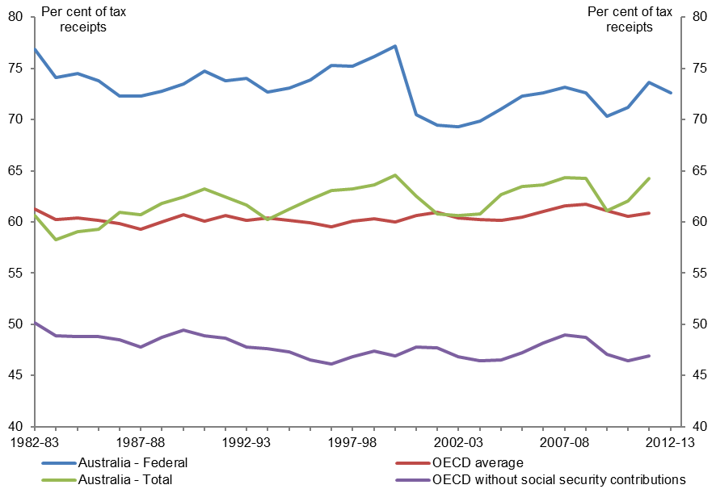
Figure 2.3 |  |  |  |  | Figure 2.3: Direct taxes as a proportion of total taxes
Direct taxes as a proportion of total taxes

 | Australia - Federal | Australia - Total | OECD average | OECD without social security contributions
Year | % of tax receipts | % of tax receipts | % of tax receipts | % of tax receipts
1982-83 | 76.88 | 60.63 | 61.24 | 50.12
1983-84 | 74.10 | 58.27 | 60.23 | 48.86
1984-85 | 74.52 | 59.05 | 60.35 | 48.84
1985-86 | 73.81 | 59.32 | 60.16 | 48.84
1986-87 | 72.25 | 60.92 | 59.83 | 48.50
1987-88 | 72.31 | 60.69 | 59.31 | 47.79
1988-89 | 72.78 | 61.81 | 60.02 | 48.73
1989-90 | 73.51 | 62.46 | 60.70 | 49.45
1990-91 | 74.72 | 63.23 | 60.11 | 48.87
1991-92 | 73.78 | 62.46 | 60.59 | 48.64
1992-93 | 74.04 | 61.68 | 60.13 | 47.77
1993-94 | 72.72 | 60.22 | 60.42 | 47.60
1994-95 | 73.09 | 61.24 | 60.11 | 47.28
1995-96 | 73.88 | 62.19 | 59.95 | 46.54
1996-97 | 75.29 | 63.06 | 59.52 | 46.10
1997-98 | 75.24 | 63.26 | 60.08 | 46.87
1998-99 | 76.13 | 63.63 | 60.34 | 47.39
1999-00 | 77.20 | 64.59 | 60.02 | 46.92
2000-01 | 70.46 | 62.53 | 60.62 | 47.75
2001-02 | 69.46 | 60.81 | 60.93 | 47.70
2002-03 | 69.27 | 60.60 | 60.42 | 46.84
2003-04 | 69.86 | 60.78 | 60.20 | 46.42
2004-05 | 71.02 | 62.71 | 60.16 | 46.49
2005-06 | 72.30 | 63.49 | 60.43 | 47.20
2006-07 | 72.60 | 63.61 | 60.99 | 48.16
2007-08 | 73.12 | 64.33 | 61.56 | 48.98
2008-09 | 72.62 | 64.23 | 61.75 | 48.74
2009-10 | 70.33 | 61.12 | 61.11 | 47.03
2010-11 | 71.22 | 62.06 | 60.58 | 46.40
2011-12 | 73.60 | 64.28 | 60.85 | 46.93
2012-13 | 72.62

Sources: PBO based on data from the OECD and Treasury
Note: Excludes non-tax receipts. For Australia - Federal, direct taxes are given as a proportion of federal government tax receipts, and include personal income tax, company tax, fringe benefits tax, superannuation fund taxes and resource rent taxes. For Australia – Total and the OECD, direct taxes are given as a proportion of total government tax receipts and were calculated using the OECD’s Revenue Statistics – Comparative tables. For OECD average, direct taxes include taxes on income, profits and capital gains (category 1000), social security contributions (category 2000) and taxes on payroll and workforce (category 3000). For OECD without social security contributions and Australia – Total, direct taxes include taxes on income, profits and capital gains (category 1000) and taxes on payroll and workforce (category 3000). OECD data is not available for 2012–13. OECD averages are calculated as the unweighted means of the data values of all OECD countries for which data are available or can be estimated.

Figure 2.4
Trends in Australian Government receipts – underlying data

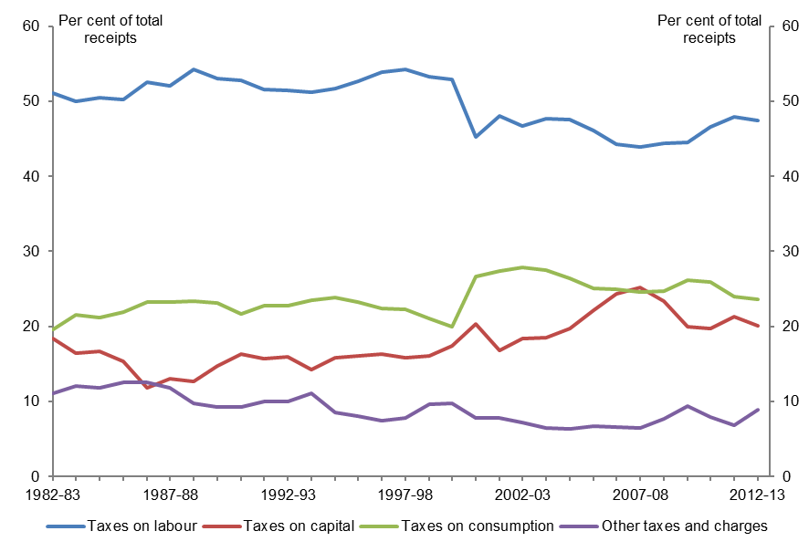
Figure 2.4 |  |  |  |  | Figure 2.4: Major categories of federal government receipts as a proportion of total receipts
Major categories of federal government receipts as a proportion of total receipts

 | Taxes on labour | Taxes on capital | Taxes on consumption | Other taxes and charges
Year | % of total receipts | % of total receipts | % of total receipts | % of total receipts
1982-83 | 51.03 | 18.34 | 19.62 | 11.01
1983-84 | 50.01 | 16.47 | 21.49 | 12.02
1984-85 | 50.48 | 16.63 | 21.13 | 11.76
1985-86 | 50.26 | 15.33 | 21.86 | 12.55
1986-87 | 52.51 | 11.76 | 23.23 | 12.50
1987-88 | 51.98 | 13.04 | 23.22 | 11.76
1988-89 | 54.22 | 12.71 | 23.40 | 9.67
1989-90 | 52.95 | 14.70 | 23.06 | 9.29
1990-91 | 52.82 | 16.32 | 21.64 | 9.23
1991-92 | 51.55 | 15.70 | 22.78 | 9.97
1992-93 | 51.42 | 15.90 | 22.68 | 10.01
1993-94 | 51.15 | 14.24 | 23.49 | 11.11
1994-95 | 51.72 | 15.87 | 23.86 | 8.55
1995-96 | 52.70 | 16.00 | 23.24 | 8.06
1996-97 | 53.87 | 16.33 | 22.37 | 7.43
1997-98 | 54.19 | 15.83 | 22.23 | 7.75
1998-99 | 53.31 | 16.05 | 20.99 | 9.65
1999-00 | 52.94 | 17.34 | 19.95 | 9.76
2000-01 | 45.25 | 20.34 | 26.59 | 7.82
2001-02 | 48.07 | 16.76 | 27.40 | 7.76
2002-03 | 46.69 | 18.36 | 27.79 | 7.16
2003-04 | 47.63 | 18.48 | 27.49 | 6.40
2004-05 | 47.55 | 19.66 | 26.44 | 6.35
2005-06 | 46.06 | 22.08 | 25.11 | 6.75
2006-07 | 44.27 | 24.28 | 24.91 | 6.55
2007-08 | 43.88 | 25.14 | 24.58 | 6.40
2008-09 | 44.32 | 23.34 | 24.67 | 7.67
2009-10 | 44.54 | 19.93 | 26.19 | 9.34
2010-11 | 46.51 | 19.72 | 25.85 | 7.92
2011-12 | 47.88 | 21.28 | 23.99 | 6.86
2012-13 | 47.46 | 20.06 | 23.61 | 8.87

Source: PBO based on data from the Treasury

Figure 3.1
Trends in Australian Government receipts – underlying data

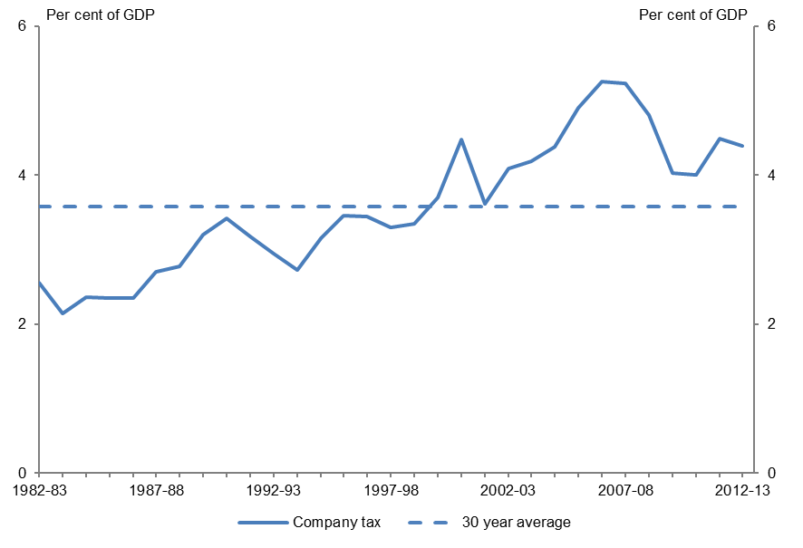
Figure 3.1 |  | Figure 3.1: Company tax as a proportion of GDP
Company tax as a proportion of GDP

 | Company tax
Year | % of GDP
1982-83 | 2.55
1983-84 | 2.13
1984-85 | 2.36
1985-86 | 2.34
1986-87 | 2.34
1987-88 | 2.70
1988-89 | 2.78
1989-90 | 3.19
1990-91 | 3.41
1991-92 | 3.17
1992-93 | 2.94
1993-94 | 2.72
1994-95 | 3.14
1995-96 | 3.45
1996-97 | 3.44
1997-98 | 3.29
1998-99 | 3.34
1999-00 | 3.70
2000-01 | 4.48
2001-02 | 3.61
2002-03 | 4.09
2003-04 | 4.19
2004-05 | 4.38
2005-06 | 4.90
2006-07 | 5.25
2007-08 | 5.23
2008-09 | 4.80
2009-10 | 4.03
2010-11 | 4.00
2011-12 | 4.48
2012-13 | 4.39

Sources: PBO based on data from the ABS and Treasury

Figure 3.2
Trends in Australian Government receipts – underlying data

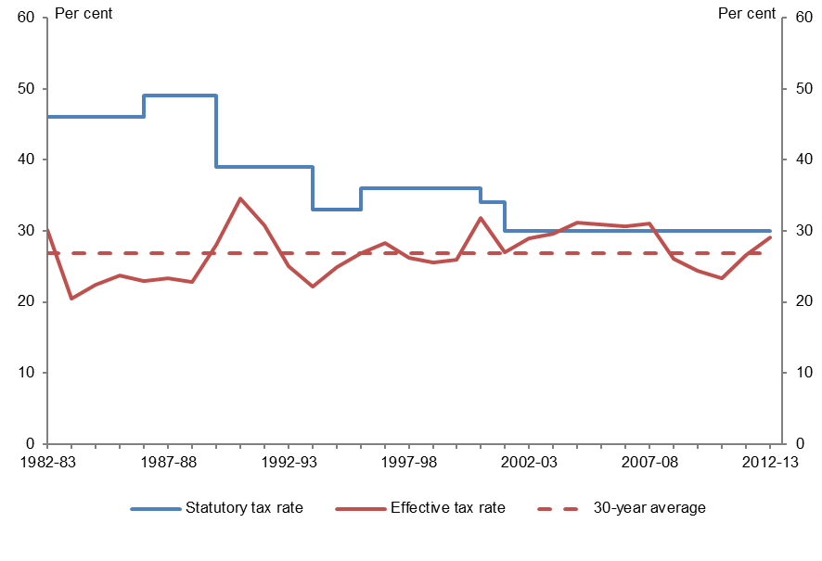
Figure 3.2 |  |  | Figure 3.2: Comparison of Australia’s statutory and effective company tax rate
Comparison of Australia’s statutory and effective company tax rate

 | Statutory tax rate | Effective tax rate
Year | % | %
1982-83 | 46 | 30.14
1983-84 | 46 | 20.49
1984-85 | 46 | 22.41
1985-86 | 46 | 23.70
1986-87 | 49 | 22.98
1987-88 | 49 | 23.30
1988-89 | 39 | 22.86
1989-90 | 39 | 27.99
1990-91 | 39 | 34.54
1991-92 | 39 | 30.77
1992-93 | 39 | 25.01
1993-94 | 33 | 22.22
1994-95 | 33 | 24.87
1995-96 | 36 | 26.91
1996-97 | 36 | 28.32
1997-98 | 36 | 26.23
1998-99 | 36 | 25.52
1999-00 | 36 | 25.94
2000-01 | 34 | 31.87
2001-02 | 30 | 26.94
2002-03 | 30 | 28.95
2003-04 | 30 | 29.61
2004-05 | 30 | 31.15
2005-06 | 30 | 30.86
2006-07 | 30 | 30.68
2007-08 | 30 | 31.01
2008-09 | 30 | 26.02
2009-10 | 30 | 24.35
2010-11 | 30 | 23.28
2011-12 | 30 | 26.56
2012-13 | 30 | 29.01

Sources: PBO based on data from the ABS and Treasury (2013)
Note: The effective company tax rate is the ratio of company tax receipts (excluding CGT) to net operating surplus (NOS). NOS has been calculated as gross operating surplus (for private companies) less consumption of fixed capital. CGT has been excluded from company tax because there is no simple way to include an appropriate measure of the income associated with CGT in NOS.

Figure 3.3
Trends in Australian Government receipts – underlying data

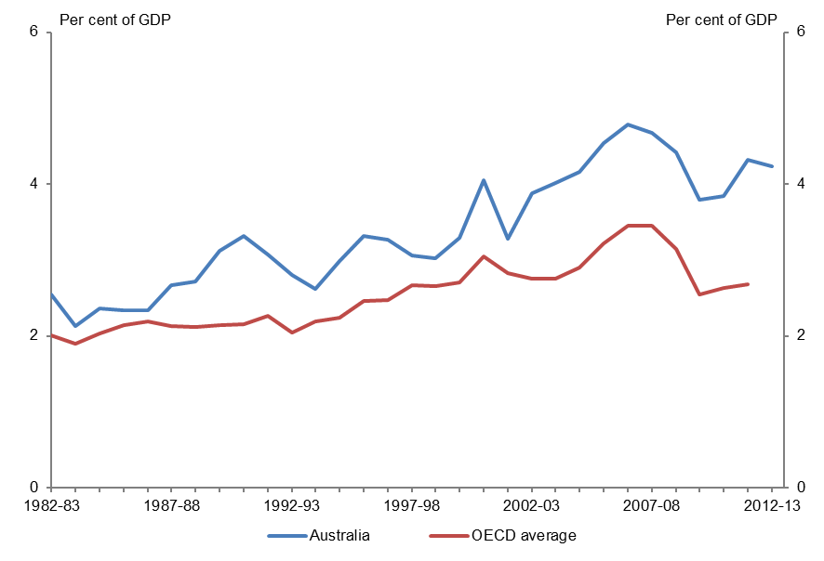
Figure 3.3 |  |  | Figure 3.3: Company tax receipts as a proportion of GDP
Company tax receipts as a proportion of GDP

 | Australia | OECD Average
Year | % of GDP | % of GDP
1982-83 | 2.55 | 2.00
1983-84 | 2.13 | 1.90
1984-85 | 2.36 | 2.03
1985-86 | 2.34 | 2.15
1986-87 | 2.34 | 2.19
1987-88 | 2.67 | 2.13
1988-89 | 2.72 | 2.12
1989-90 | 3.12 | 2.14
1990-91 | 3.32 | 2.15
1991-92 | 3.08 | 2.27
1992-93 | 2.80 | 2.04
1993-94 | 2.62 | 2.19
1994-95 | 2.99 | 2.24
1995-96 | 3.32 | 2.46
1996-97 | 3.26 | 2.47
1997-98 | 3.05 | 2.66
1998-99 | 3.02 | 2.65
1999-00 | 3.29 | 2.70
2000-01 | 4.05 | 3.05
2001-02 | 3.27 | 2.83
2002-03 | 3.88 | 2.75
2003-04 | 4.01 | 2.75
2004-05 | 4.16 | 2.90
2005-06 | 4.54 | 3.22
2006-07 | 4.79 | 3.45
2007-08 | 4.67 | 3.45
2008-09 | 4.41 | 3.14
2009-10 | 3.79 | 2.55
2010-11 | 3.84 | 2.63
2011-12 | 4.32 | 2.68
2012-13 | 4.23

Sources: PBO based on data from the OECD, ABS and Treasury
Note: OECD figures are company taxes at the federal level only. Data for 2012–13 is not yet available. Figures for both the OECD and Australia exclude capital gains taxes. OECD figures are an unweighted average of all OECD countries for which data are available or can be estimated.

Figure 3.4
Trends in Australian Government receipts – underlying data

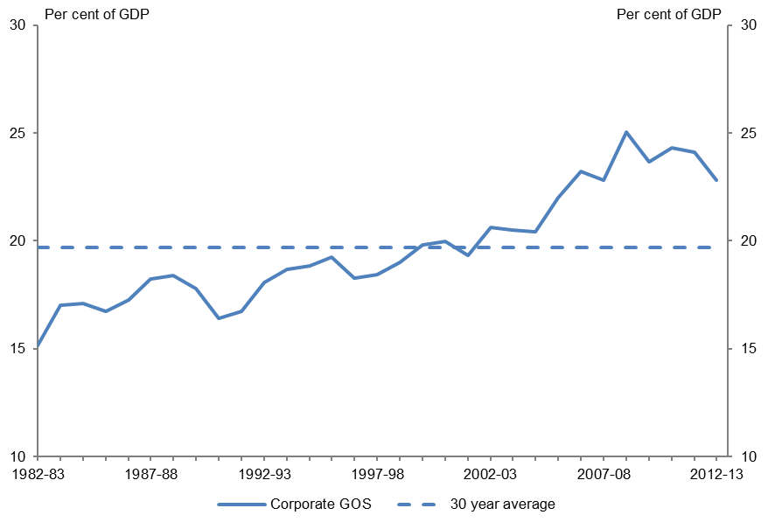
Figure 3.4 |  | Figure 3.4: Corporate Gross Operating Surplus (GOS) as a percentage of GDP
Corporate Gross Operating Surplus (GOS) as a percentage of GDP

 | Corporate GOS
Year | % of GDP
1982-83 | 15.16
1983-84 | 17.00
1984-85 | 17.08
1985-86 | 16.71
1986-87 | 17.25
1987-88 | 18.21
1988-89 | 18.38
1989-90 | 17.78
1990-91 | 16.41
1991-92 | 16.73
1992-93 | 18.07
1993-94 | 18.69
1994-95 | 18.82
1995-96 | 19.26
1996-97 | 18.26
1997-98 | 18.44
1998-99 | 18.99
1999-00 | 19.82
2000-01 | 19.96
2001-02 | 19.32
2002-03 | 20.62
2003-04 | 20.50
2004-05 | 20.43
2005-06 | 22.00
2006-07 | 23.22
2007-08 | 22.79
2008-09 | 25.04
2009-10 | 23.65
2010-11 | 24.30
2011-12 | 24.11
2012-13 | 22.80

Source: PBO based on data from the ABS
Note: Corporate GOS is for private companies only and excludes public non-financial corporations.

Figure 3.5
Trends in Australian Government receipts – underlying data

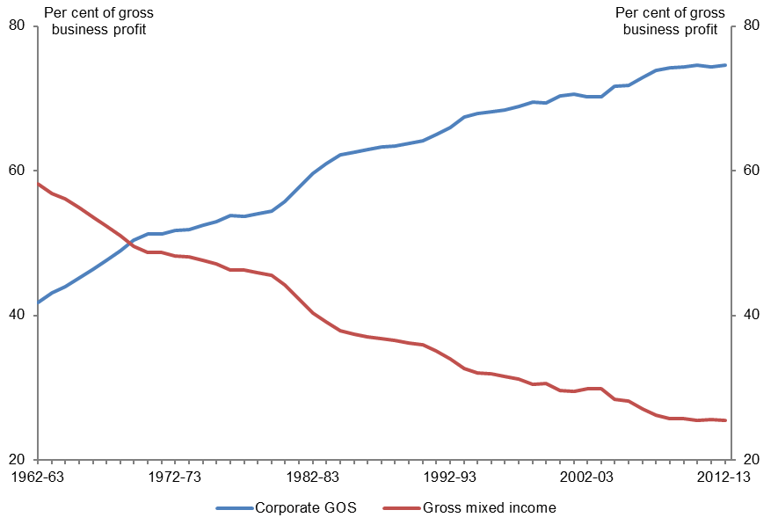
Figure 3.5 |  |  | Figure 3.5: Share of gross business profit (corporate and unincorporated businesses)
Share of gross business profit (corporate and unincorporated businesses)

 | Corporate GOS | Gross mixed income
Year | % of gross business profit | % of gross business profit
1962-63 | 41.80 | 58.20
1963-64 | 43.15 | 56.85
1964-65 | 43.93 | 56.07
1965-66 | 45.16 | 54.84
1966-67 | 46.40 | 53.60
1967-68 | 47.65 | 52.35
1968-69 | 48.96 | 51.04
1969-70 | 50.39 | 49.61
1970-71 | 51.25 | 48.75
1971-72 | 51.30 | 48.70
1972-73 | 51.78 | 48.22
1973-74 | 51.91 | 48.09
1974-75 | 52.43 | 47.57
1975-76 | 52.89 | 47.11
1976-77 | 53.79 | 46.21
1977-78 | 53.69 | 46.31
1978-79 | 54.06 | 45.94
1979-80 | 54.44 | 45.56
1980-81 | 55.77 | 44.23
1981-82 | 57.69 | 42.31
1982-83 | 59.68 | 40.32
1983-84 | 60.96 | 39.04
1984-85 | 62.17 | 37.83
1985-86 | 62.59 | 37.41
1986-87 | 62.97 | 37.03
1987-88 | 63.25 | 36.75
1988-89 | 63.42 | 36.58
1989-90 | 63.81 | 36.19
1990-91 | 64.11 | 35.89
1991-92 | 64.95 | 35.05
1992-93 | 66.01 | 33.99
1993-94 | 67.36 | 32.64
1994-95 | 67.92 | 32.08
1995-96 | 68.11 | 31.89
1996-97 | 68.44 | 31.56
1997-98 | 68.87 | 31.13
1998-99 | 69.51 | 30.49
1999-00 | 69.37 | 30.63
2000-01 | 70.39 | 29.61
2001-02 | 70.56 | 29.44
2002-03 | 70.18 | 29.82
2003-04 | 70.16 | 29.84
2004-05 | 71.64 | 28.36
2005-06 | 71.82 | 28.18
2006-07 | 72.89 | 27.11
2007-08 | 73.81 | 26.19
2008-09 | 74.28 | 25.72
2009-10 | 74.33 | 25.67
2010-11 | 74.57 | 25.43
2011-12 | 74.37 | 25.63
2012-13 | 74.55 | 25.45

Source: PBO based on data from the ABS
Notes: Gross business profit represents the sum of corporate GOS and Gross mixed income. Corporate GOS is for private companies only and excludes public non-financial corporations. Gross mixed income is a measure of the gross operating surplus for unincorporated enterprises and compensation accruing to the proprietors of these enterprises (Trewin 2000). The PBO has used a 5 year moving average to reflect the trend in the original series.

Figure 3.6
Trends in Australian Government receipts – underlying data

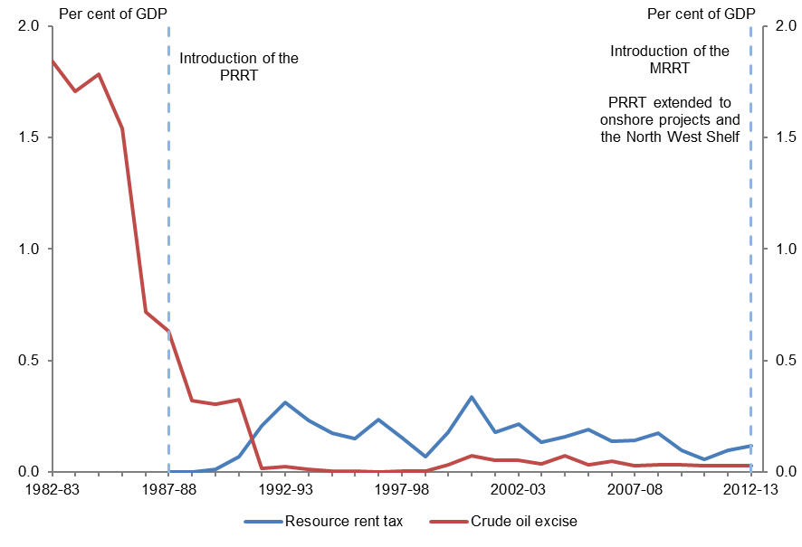
Figure 3.6 |  |  | Figure 3.6: Resource rent taxes as a proportion of GDP
Resource rent taxes as a proportion of GDP

 | Resource rent tax | Crude oil excise
Year | % of GDP | % of GDP
1982-83 | 0.00 | 1.84
1983-84 | 0.00 | 1.71
1984-85 | 0.00 | 1.79
1985-86 | 0.00 | 1.54
1986-87 | 0.00 | 0.72
1987-88 | 0.00 | 0.63
1988-89 | 0.00 | 0.32
1989-90 | 0.01 | 0.30
1990-91 | 0.07 | 0.33
1991-92 | 0.21 | 0.02
1992-93 | 0.31 | 0.03
1993-94 | 0.23 | 0.01
1994-95 | 0.17 | 0.01
1995-96 | 0.15 | 0.00
1996-97 | 0.23 | 0.00
1997-98 | 0.15 | 0.00
1998-99 | 0.07 | 0.00
1999-00 | 0.18 | 0.03
2000-01 | 0.34 | 0.07
2001-02 | 0.18 | 0.05
2002-03 | 0.21 | 0.05
2003-04 | 0.14 | 0.04
2004-05 | 0.16 | 0.07
2005-06 | 0.19 | 0.03
2006-07 | 0.14 | 0.05
2007-08 | 0.14 | 0.03
2008-09 | 0.17 | 0.03
2009-10 | 0.10 | 0.03
2010-11 | 0.06 | 0.03
2011-12 | 0.10 | 0.03
2012-13 | 0.12 | 0.03

Sources: PBO based on data from the ABS, Bureau of Resources and Energy Economics (BREE) and Treasury
Notes: Resource rent tax includes the Petroleum Resource Rent Tax (PRRT) and in 2012-13 the Minerals Resource Rent Tax (MRRT). Crude oil excise figures are not publicly available from 2007-08 onwards. The PBO has estimated these using publicly available Australian petroleum production statistics from BREE.

Figure 3.7
Trends in Australian Government receipts – underlying data

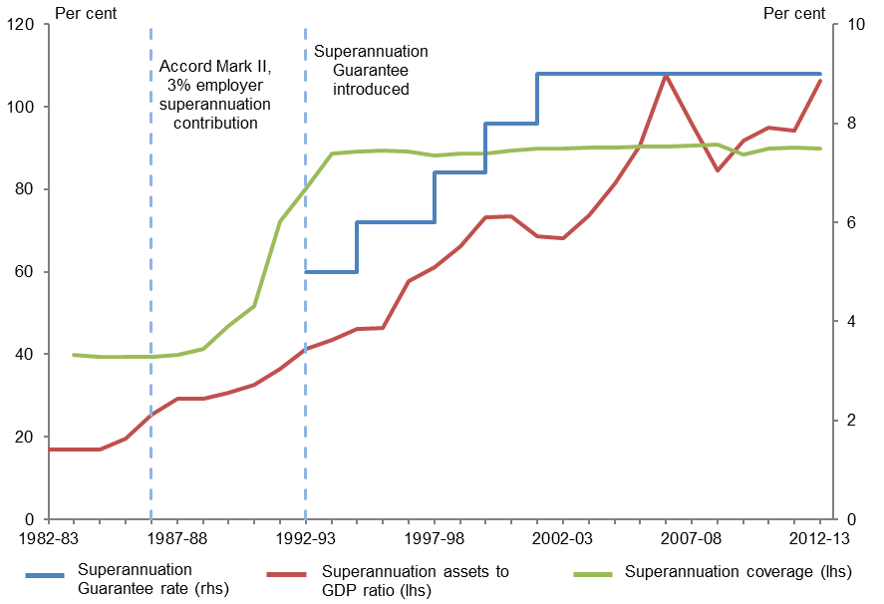
Figure 3.7 |  |  |  | Figure 3.7: Superannuation assets as a proportion of GDP, superannuation coverage and SG rate
Superannuation assets as a proportion of GDP, superannuation coverage and SG rate

 | Superannuation Guarantee rate | Superannuation asset | Superannuation coverage
Year | % | % of GDP | %
1982-83 |  | 16.90
1983-84 |  | 16.84 | 39.9
1984-85 |  | 16.99 | 39.5
1985-86 |  | 19.55 | 39.5
1986-87 |  | 25.46 | 39.4
1987-88 |  | 29.17 | 39.9
1988-89 |  | 29.23 | 41.4
1989-90 |  | 30.64 | 46.8
1990-91 |  | 32.54 | 51.6
1991-92 |  | 36.40 | 72.2
1992-93 | 4.5 | 41.22 | 80.3
1993-94 | 5.0 | 43.50 | 88.7
1994-95 | 5.0 | 46.18 | 89.1
1995-96 | 6.0 | 46.35 | 89.4
1996-97 | 6.0 | 57.64 | 89.1
1997-98 | 6.0 | 61.17 | 88.2
1998-99 | 7.0 | 66.30 | 88.7
1999-00 | 7.0 | 73.24 | 88.7
2000-01 | 8.0 | 73.56 | 89.3
2001-02 | 8.0 | 68.73 | 89.9
2002-03 | 9.0 | 68.24 | 89.9
2003-04 | 9.0 | 73.66 | 90.2
2004-05 | 9.0 | 81.43 | 90.1
2005-06 | 9.0 | 90.57 | 90.4
2006-07 | 9.0 | 107.84 | 90.4
2007-08 | 9.0 | 95.82 | 90.6
2008-09 | 9.0 | 84.47 | 90.8
2009-10 | 9.0 | 91.82 | 88.4
2010-11 | 9.0 | 95.01 | 89.8
2011-12 | 9.0 | 94.15 | 90.1
2012-13 | 9.0 | 106.32 | 89.9

Sources: PBO based on data from the ABS, APRA and ATO
Note: The Superannuation Guarantee rate presented is the rate applying to employers with a national payroll in excess of $1 million. A lower rate applied to other employers until 1996-97. The Superannuation Guarantee rate was 4 per cent from 1 July 1992 to 31 December 1992, and 5 per cent from 1 January 1993 to 30 June 1993. The rate presented in the chart in 1992-93 is the average of these rates (4.5 per cent). Superannuation coverage indicates the proportion of employees with superannuation contributions paid into a superannuation scheme on their behalf by their employer in their main job.

Figure 3.8
Trends in Australian Government receipts – underlying data

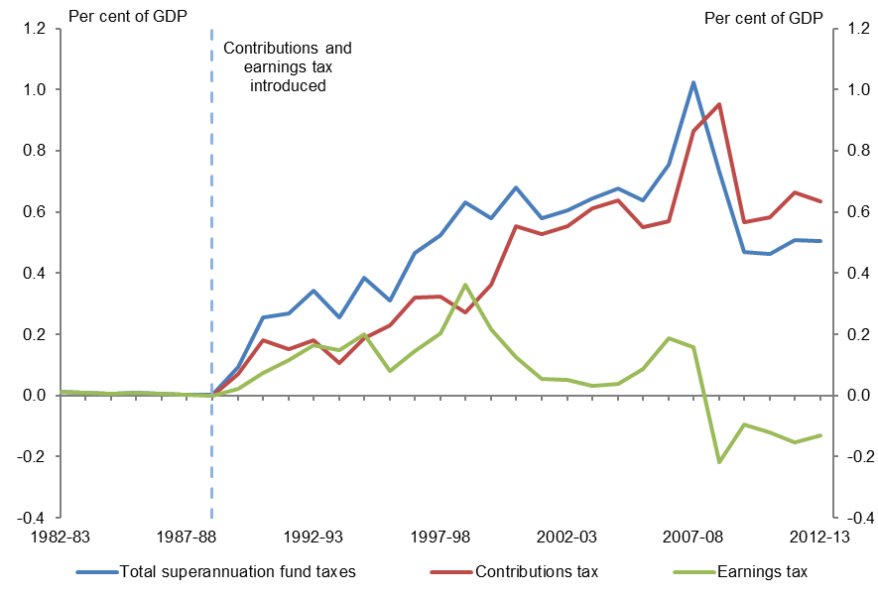
Figure 3.8 |  |  |  | Figure 3.8: Superannuation fund taxes as a proportion of GDP
Superannuation fund taxes as a proportion of GDP

 | Total superannuation fund taxes | Contributions tax | Earnings tax
Year | % of GDP | % of GDP | % of GDP
1982-83 | 0.01 |  | 0.01
1983-84 | 0.01 |  | 0.01
1984-85 | 0.01 |  | 0.01
1985-86 | 0.01 |  | 0.01
1986-87 | 0.00 |  | 0.00
1987-88 | 0.00 |  | 0.00
1988-89 | 0.00 |  | 0.00
1989-90 | 0.09 | 0.07 | 0.02
1990-91 | 0.25 | 0.18 | 0.07
1991-92 | 0.27 | 0.15 | 0.12
1992-93 | 0.34 | 0.18 | 0.16
1993-94 | 0.26 | 0.11 | 0.15
1994-95 | 0.39 | 0.19 | 0.20
1995-96 | 0.31 | 0.23 | 0.08
1996-97 | 0.47 | 0.32 | 0.15
1997-98 | 0.53 | 0.32 | 0.20
1998-99 | 0.63 | 0.27 | 0.36
1999-00 | 0.58 | 0.36 | 0.22
2000-01 | 0.68 | 0.55 | 0.13
2001-02 | 0.58 | 0.53 | 0.05
2002-03 | 0.60 | 0.55 | 0.05
2003-04 | 0.64 | 0.61 | 0.03
2004-05 | 0.68 | 0.64 | 0.04
2005-06 | 0.64 | 0.55 | 0.09
2006-07 | 0.76 | 0.57 | 0.19
2007-08 | 1.02 | 0.86 | 0.16
2008-09 | 0.73 | 0.95 | -0.22
2009-10 | 0.47 | 0.57 | -0.10
2010-11 | 0.46 | 0.58 | -0.12
2011-12 | 0.51 | 0.66 | -0.15
2012-13 | 0.50 | 0.64 | -0.13

Sources: PBO based on data from the ABS, ATO and Treasury
Note: Contributions tax has been estimated by the PBO and includes estimated tax on assessable contributions less death and disability insurance premiums, as well as superannuation surcharge receipts.

Figure 3.9
Trends in Australian Government receipts – underlying data

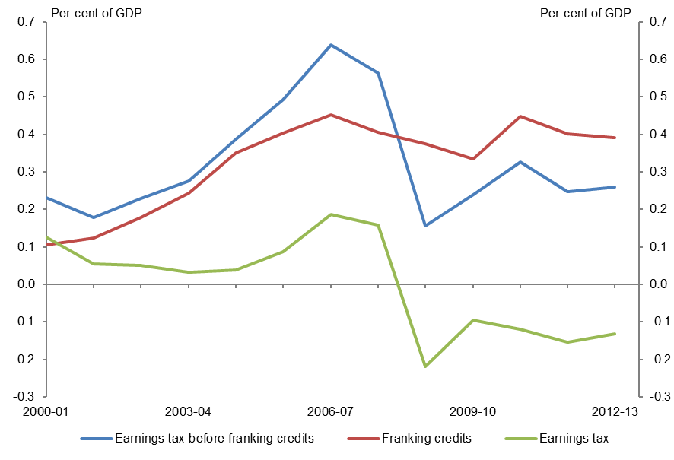
Figure 3.9 |  |  |  | Figure 3.9: The effect of franking credits on earnings tax
The effect of franking credits on earnings tax

 | Earnings tax before franking credits | Franking credits | Earnings tax
Year | % of GDP | % of GDP | % of GDP
2000-01 | 0.23 | 0.10 | 0.13
2001-02 | 0.18 | 0.12 | 0.05
2002-03 | 0.23 | 0.18 | 0.05
2003-04 | 0.28 | 0.24 | 0.03
2004-05 | 0.39 | 0.35 | 0.04
2005-06 | 0.49 | 0.40 | 0.09
2006-07 | 0.64 | 0.45 | 0.19
2007-08 | 0.56 | 0.40 | 0.16
2008-09 | 0.16 | 0.37 | -0.22
2009-10 | 0.24 | 0.34 | -0.10
2010-11 | 0.33 | 0.45 | -0.12
2011-12 | 0.25 | 0.40 | -0.15
2012-13 | 0.26 | 0.39 | -0.13

Sources: PBO based on data from the ABS, ATO and Treasury
Note: Data for franking credits prior to 2000-01 is unavailable as some rebates related to dividend income were included in total rebates and credits and were not separately identified.

Figure 3.10
Trends in Australian Government receipts – underlying data

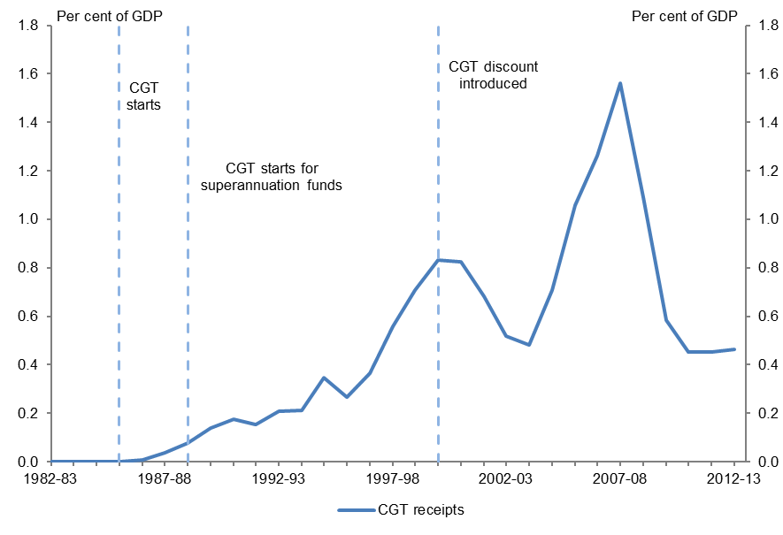
Figure 3.10 |  | Figure 3.10: CGT receipts as a proportion of GDP
CGT receipts as a proportion of GDP

 | CGT receipts
Year | % of GDP
1982-83 | 0.00
1983-84 | 0.00
1984-85 | 0.00
1985-86 | 0.00
1986-87 | 0.01
1987-88 | 0.04
1988-89 | 0.08
1989-90 | 0.14
1990-91 | 0.17
1991-92 | 0.15
1992-93 | 0.21
1993-94 | 0.21
1994-95 | 0.35
1995-96 | 0.26
1996-97 | 0.36
1997-98 | 0.56
1998-99 | 0.71
1999-00 | 0.83
2000-01 | 0.82
2001-02 | 0.68
2002-03 | 0.52
2003-04 | 0.48
2004-05 | 0.71
2005-06 | 1.06
2006-07 | 1.26
2007-08 | 1.56
2008-09 | 1.09
2009-10 | 0.58
2010-11 | 0.45
2011-12 | 0.45
2012-13 | 0.46

Sources: PBO based on data from the ABS and Treasury

Figure 3.11
Trends in Australian Government receipts – underlying data

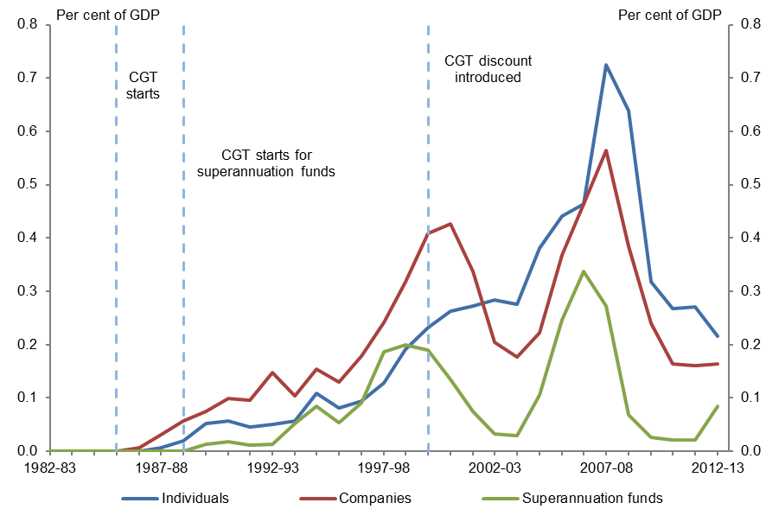
Figure 3.11 |  |  |  | Figure 3.11: Source of CGT receipts
Source of CGT receipts

 | Individuals | Companies | Superannuation funds
Year | % of GDP | % of GDP | % of GDP
1982-83 | 0.00 | 0.00 | 0.00
1983-84 | 0.00 | 0.00 | 0.00
1984-85 | 0.00 | 0.00 | 0.00
1985-86 | 0.00 | 0.00 | 0.00
1986-87 | 0.00 | 0.01 | 0.00
1987-88 | 0.01 | 0.03 | 0.00
1988-89 | 0.02 | 0.06 | 0.00
1989-90 | 0.05 | 0.07 | 0.01
1990-91 | 0.06 | 0.10 | 0.02
1991-92 | 0.05 | 0.10 | 0.01
1992-93 | 0.05 | 0.15 | 0.01
1993-94 | 0.06 | 0.10 | 0.05
1994-95 | 0.11 | 0.15 | 0.08
1995-96 | 0.08 | 0.13 | 0.05
1996-97 | 0.09 | 0.18 | 0.09
1997-98 | 0.13 | 0.24 | 0.19
1998-99 | 0.19 | 0.32 | 0.20
1999-00 | 0.23 | 0.41 | 0.19
2000-01 | 0.26 | 0.43 | 0.13
2001-02 | 0.27 | 0.34 | 0.07
2002-03 | 0.28 | 0.20 | 0.03
2003-04 | 0.28 | 0.18 | 0.03
2004-05 | 0.38 | 0.22 | 0.11
2005-06 | 0.44 | 0.37 | 0.25
2006-07 | 0.46 | 0.46 | 0.34
2007-08 | 0.72 | 0.56 | 0.27
2008-09 | 0.64 | 0.38 | 0.07
2009-10 | 0.32 | 0.24 | 0.03
2010-11 | 0.27 | 0.16 | 0.02
2011-12 | 0.27 | 0.16 | 0.02
2012-13 | 0.22 | 0.16 | 0.08

Sources: PBO based on data from the ABS and Treasury

Figure 3.12
Trends in Australian Government receipts – underlying data

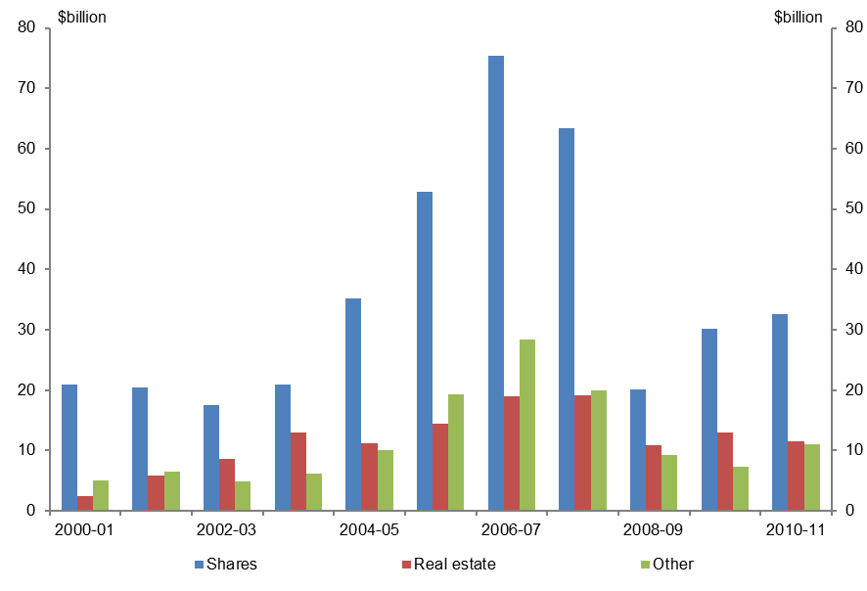
Figure 3.12 |  |  |  | Figure 3.12: Composition of total capital gains by asset type (income year basis)
Composition of total capital gains by asset type (income year basis)

 | Shares | Real estate | Other
Year | $ billion | $ billion | $ billion
2000-01 | 20.85 | 2.43 | 5.04
2001-02 | 20.45 | 5.87 | 6.57
2002-03 | 17.52 | 8.68 | 4.84
2003-04 | 20.90 | 12.93 | 6.19
2004-05 | 35.14 | 11.22 | 10.02
2005-06 | 52.77 | 14.41 | 19.27
2006-07 | 75.46 | 19.02 | 28.42
2007-08 | 63.38 | 19.09 | 20.01
2008-09 | 20.15 | 10.87 | 9.25
2009-10 | 30.22 | 12.98 | 7.29
2010-11 | 32.67 | 11.45 | 10.98

Source: PBO based on data from the ATO
Note: This data is sourced from the CGT schedule which is generally only required where a taxpayer’s current year capital gains or capital losses are greater than $10,000 and so does not include all capital gains. The data includes capital gains made by taxable entities only and does not account for capital losses. 2000–01 is the earliest year for which comparable data is available.

Figure 3.13
Trends in Australian Government receipts – underlying data

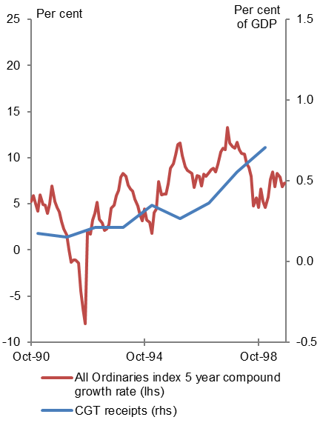
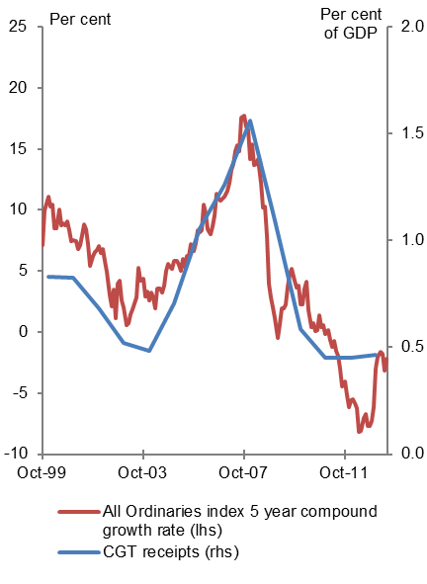
Figure 3.13 |  |  | Figure 3.13: CGT and growth in the All Ordinaries index
CGT and growth in the All Ordinaries index

 | CGT receipts | All Ordinaries index
Month | % of GDP | 5 year compound growth rate (%)
1990-10-01 |  | 5.26
1990-11-01 |  | 5.90
1990-12-01 |  | 4.98
1991-01-01 | 0.17 | 4.21
1991-02-01 |  | 6.00
1991-03-01 |  | 4.91
1991-04-01 |  | 4.85
1991-05-01 |  | 4.00
1991-06-01 |  | 5.00
1991-07-01 |  | 6.95
1991-08-01 |  | 5.26
1991-09-01 |  | 4.62
1991-10-01 |  | 4.09
1991-11-01 |  | 3.08
1991-12-01 |  | 2.31
1992-01-01 | 0.15 | 1.64
1992-02-01 |  | 0.00
1992-03-01 |  | -1.30
1992-04-01 |  | -1.09
1992-05-01 |  | -1.07
1992-06-01 |  | -1.41
1992-07-01 |  | -4.44
1992-08-01 |  | -6.37
1992-09-01 |  | -7.97
1992-10-01 |  | 1.95
1992-11-01 |  | 1.74
1992-12-01 |  | 3.28
1993-01-01 | 0.21 | 3.98
1993-02-01 |  | 5.18
1993-03-01 |  | 3.33
1993-04-01 |  | 2.91
1993-05-01 |  | 2.09
1993-06-01 |  | 2.25
1993-07-01 |  | 2.74
1993-08-01 |  | 4.55
1993-09-01 |  | 4.88
1993-10-01 |  | 5.89
1993-11-01 |  | 6.43
1993-12-01 |  | 7.89
1994-01-01 | 0.21 | 8.29
1994-02-01 |  | 7.98
1994-03-01 |  | 7.06
1994-04-01 |  | 6.60
1994-05-01 |  | 6.35
1994-06-01 |  | 5.51
1994-07-01 |  | 4.75
1994-08-01 |  | 3.78
1994-09-01 |  | 3.17
1994-10-01 |  | 4.43
1994-11-01 |  | 3.25
1994-12-01 |  | 3.00
1995-01-01 | 0.35 | 1.77
1995-02-01 |  | 4.07
1995-03-01 |  | 4.42
1995-04-01 |  | 7.40
1995-05-01 |  | 5.96
1995-06-01 |  | 6.09
1995-07-01 |  | 6.10
1995-08-01 |  | 7.19
1995-09-01 |  | 8.83
1995-10-01 |  | 9.34
1995-11-01 |  | 10.34
1995-12-01 |  | 11.47
1996-01-01 | 0.26 | 11.61
1996-02-01 |  | 10.25
1996-03-01 |  | 9.04
1996-04-01 |  | 8.59
1996-05-01 |  | 8.46
1996-06-01 |  | 8.28
1996-07-01 |  | 6.76
1996-08-01 |  | 8.05
1996-09-01 |  | 7.95
1996-10-01 |  | 6.91
1996-11-01 |  | 8.27
1996-12-01 |  | 7.98
1997-01-01 | 0.36 | 8.35
1997-02-01 |  | 8.70
1997-03-01 |  | 8.89
1997-04-01 |  | 8.48
1997-05-01 |  | 9.24
1997-06-01 |  | 10.63
1997-07-01 |  | 11.07
1997-08-01 |  | 10.88
1997-09-01 |  | 13.25
1997-10-01 |  | 11.57
1997-11-01 |  | 11.23
1997-12-01 |  | 11.04
1998-01-01 | 0.56 | 11.69
1998-02-01 |  | 10.88
1998-03-01 |  | 10.48
1998-04-01 |  | 10.44
1998-05-01 |  | 9.34
1998-06-01 |  | 8.95
1998-07-01 |  | 7.96
1998-08-01 |  | 4.80
1998-09-01 |  | 5.66
1998-10-01 |  | 4.62
1998-11-01 |  | 6.66
1998-12-01 |  | 5.30
1999-01-01 | 0.71 | 4.60
1999-02-01 |  | 5.73
1999-03-01 |  | 7.64
1999-04-01 |  | 8.46
1999-05-01 |  | 6.86
1999-06-01 |  | 8.34
1999-07-01 |  | 7.93
1999-08-01 |  | 6.82
1999-09-01 |  | 7.27
1999-10-01 |  | 7.13
1999-11-01 |  | 9.99
1999-12-01 |  | 10.51
2000-01-01 | 0.83 | 11.08
2000-02-01 |  | 10.31
2000-03-01 |  | 10.45
2000-04-01 |  | 8.52
2000-05-01 |  | 8.53
2000-06-01 |  | 10.06
2000-07-01 |  | 8.72
2000-08-01 |  | 8.87
2000-09-01 |  | 8.73
2000-10-01 |  | 9.09
2000-11-01 |  | 8.34
2000-12-01 |  | 7.45
2001-01-01 | 0.82 | 7.54
2001-02-01 |  | 7.41
2001-03-01 |  | 6.83
2001-04-01 |  | 7.14
2001-05-01 |  | 7.92
2001-06-01 |  | 8.84
2001-07-01 |  | 8.45
2001-08-01 |  | 7.24
2001-09-01 |  | 5.46
2001-10-01 |  | 6.27
2001-11-01 |  | 6.53
2001-12-01 |  | 6.74
2002-01-01 | 0.68 | 7.03
2002-02-01 |  | 6.51
2002-03-01 |  | 6.78
2002-04-01 |  | 5.81
2002-05-01 |  | 4.96
2002-06-01 |  | 3.02
2002-07-01 |  | 2.09
2002-08-01 |  | 3.46
2002-09-01 |  | 1.14
2002-10-01 |  | 3.97
2002-11-01 |  | 4.18
2002-12-01 |  | 2.60
2003-01-01 | 0.52 | 2.02
2003-02-01 |  | 0.59
2003-03-01 |  | 0.75
2003-04-01 |  | 1.47
2003-05-01 |  | 1.87
2003-06-01 |  | 2.36
2003-07-01 |  | 2.81
2003-08-01 |  | 5.24
2003-09-01 |  | 4.19
2003-10-01 |  | 4.39
2003-11-01 |  | 2.88
2003-12-01 |  | 3.28
2004-01-01 | 0.48 | 2.56
2004-02-01 |  | 3.21
2004-03-01 |  | 2.86
2004-04-01 |  | 1.90
2004-05-01 |  | 3.57
2004-06-01 |  | 3.52
2004-07-01 |  | 3.26
2004-08-01 |  | 3.83
2004-09-01 |  | 4.99
2004-10-01 |  | 5.59
2004-11-01 |  | 5.31
2004-12-01 |  | 5.15
2005-01-01 | 0.71 | 5.81
2005-02-01 |  | 5.80
2005-03-01 |  | 5.53
2005-04-01 |  | 5.03
2005-05-01 |  | 6.01
2005-06-01 |  | 5.36
2005-07-01 |  | 6.23
2005-08-01 |  | 6.24
2005-09-01 |  | 7.19
2005-10-01 |  | 6.61
2005-11-01 |  | 7.30
2005-12-01 |  | 8.34
2006-01-01 | 1.06 | 8.20
2006-02-01 |  | 8.30
2006-03-01 |  | 10.44
2006-04-01 |  | 9.75
2006-05-01 |  | 8.43
2006-06-01 |  | 8.01
2006-07-01 |  | 8.67
2006-08-01 |  | 9.56
2006-09-01 |  | 11.34
2006-10-01 |  | 10.94
2006-11-01 |  | 10.76
2006-12-01 |  | 10.93
2007-01-01 | 1.26 | 11.08
2007-02-01 |  | 11.61
2007-03-01 |  | 12.19
2007-04-01 |  | 13.29
2007-05-01 |  | 13.78
2007-06-01 |  | 14.81
2007-07-01 |  | 15.33
2007-08-01 |  | 14.84
2007-09-01 |  | 17.58
2007-10-01 |  | 17.75
2007-11-01 |  | 16.86
2007-12-01 |  | 16.63
2008-01-01 | 1.56 | 14.18
2008-02-01 |  | 15.35
2008-03-01 |  | 13.69
2008-04-01 |  | 13.75
2008-05-01 |  | 14.15
2008-06-01 |  | 12.20
2008-07-01 |  | 10.22
2008-08-01 |  | 10.24
2008-09-01 |  | 7.83
2008-10-01 |  | 3.94
2008-11-01 |  | 2.82
2008-12-01 |  | 2.05
2009-01-01 | 1.09 | 1.16
2009-02-01 |  | -0.45
2009-03-01 |  | 0.67
2009-04-01 |  | 1.90
2009-05-01 |  | 1.98
2009-06-01 |  | 2.26
2009-07-01 |  | 3.69
2009-08-01 |  | 4.71
2009-09-01 |  | 5.22
2009-10-01 |  | 4.18
2009-11-01 |  | 3.64
2009-12-01 |  | 3.79
2010-01-01 | 0.58 | 2.28
2010-02-01 |  | 2.27
2010-03-01 |  | 3.60
2010-04-01 |  | 4.16
2010-05-01 |  | 1.82
2010-06-01 |  | 0.44
2010-07-01 |  | 0.73
2010-08-01 |  | 0.11
2010-09-01 |  | 0.19
2010-10-01 |  | 1.41
2010-11-01 |  | 0.40
2010-12-01 |  | 0.58
2011-01-01 | 0.45 | -0.12
2011-02-01 |  | 0.18
2011-03-01 |  | -0.63
2011-04-01 |  | -1.21
2011-05-01 |  | -0.75
2011-06-01 |  | -1.53
2011-07-01 |  | -1.91
2011-08-01 |  | -2.97
2011-09-01 |  | -4.46
2011-10-01 |  | -4.02
2011-11-01 |  | -5.19
2011-12-01 |  | -6.14
2012-01-01 | 0.45 | -5.56
2012-02-01 |  | -5.48
2012-03-01 |  | -5.86
2012-04-01 |  | -6.22
2012-05-01 |  | -8.20
2012-06-01 |  | -8.11
2012-07-01 |  | -7.07
2012-08-01 |  | -6.70
2012-09-01 |  | -7.71
2012-10-01 |  | -7.72
2012-11-01 |  | -7.28
2012-12-01 |  | -6.19
2013-01-01 | 0.46 | -2.97
2013-02-01 |  | -2.03
2013-03-01 |  | -1.64
2013-04-01 |  | -1.79
2013-05-01 |  | -3.17
2013-06-01 |  | -2.18

Sources: PBO based on data from the ABS, Parliamentary Library and Treasury
Note: Data begins five years after the introduction of CGT to allow for a five year asset holding period. Annual CGT receipts are allocated to the mid-point of each year. Two graphs are presented to allow for the changed relationship between equity price growth and CGT receipts following the introduction of the CGT discount.

Figure 4.1
Trends in Australian Government receipts – underlying data

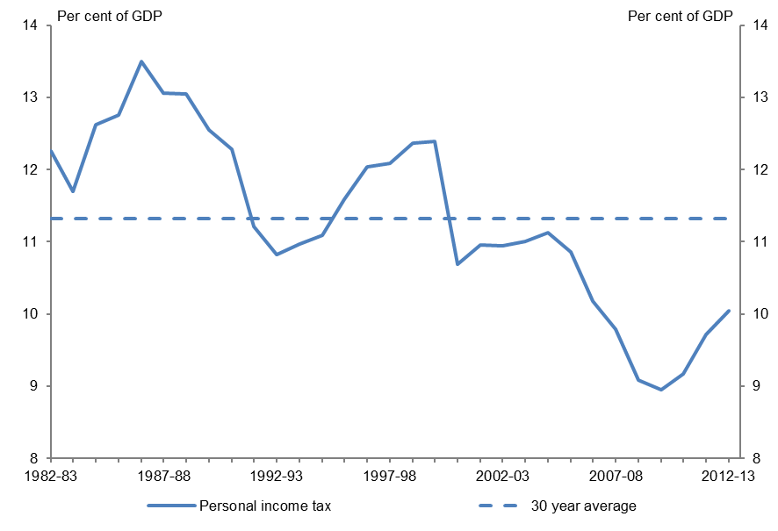
Figure 4.1 |  | Figure 4.1: Personal income tax as a proportion of GDP
Personal income tax as a proportion of GDP

 | Personal income tax receipts
Year | % of GDP
1982-83 | 12.25
1983-84 | 11.69
1984-85 | 12.61
1985-86 | 12.75
1986-87 | 13.50
1987-88 | 13.06
1988-89 | 13.05
1989-90 | 12.55
1990-91 | 12.28
1991-92 | 11.21
1992-93 | 10.82
1993-94 | 10.97
1994-95 | 11.09
1995-96 | 11.59
1996-97 | 12.03
1997-98 | 12.09
1998-99 | 12.37
1999-00 | 12.39
2000-01 | 10.69
2001-02 | 10.95
2002-03 | 10.94
2003-04 | 11.01
2004-05 | 11.12
2005-06 | 10.85
2006-07 | 10.18
2007-08 | 9.79
2008-09 | 9.08
2009-10 | 8.94
2010-11 | 9.17
2011-12 | 9.71
2012-13 | 10.05

Sources: PBO based on data from the ABS and Treasury

Figure 4.2
Trends in Australian Government receipts – underlying data

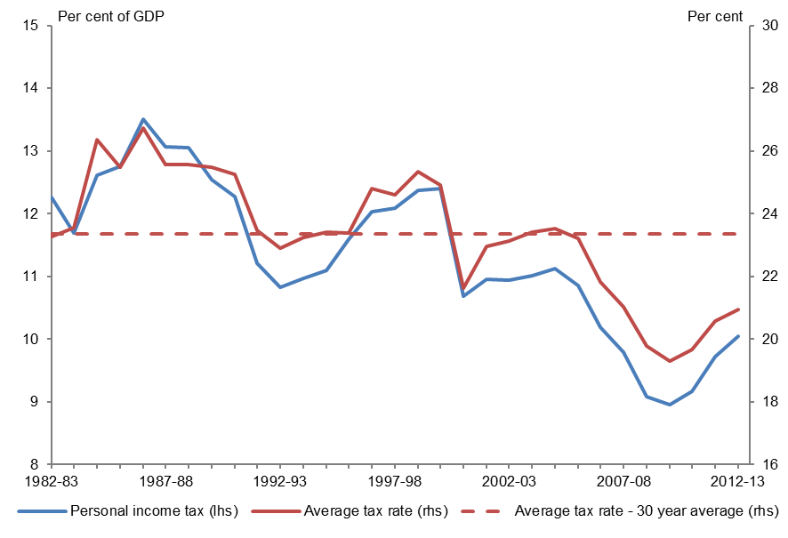
Figure 4.2 |  |  | Figure 4.2: Comparison of personal income tax as a proportion of GDP and the average tax rate
Comparison of personal income tax as a proportion of GDP and the average tax rate

 | Personal income tax | Average personal income tax rate
Year | % of GDP | %
1982-83 | 12.25 | 23.28
1983-84 | 11.69 | 23.56
1984-85 | 12.61 | 26.36
1985-86 | 12.75 | 25.48
1986-87 | 13.50 | 26.74
1987-88 | 13.06 | 25.57
1988-89 | 13.05 | 25.56
1989-90 | 12.55 | 25.48
1990-91 | 12.28 | 25.25
1991-92 | 11.21 | 23.46
1992-93 | 10.82 | 22.91
1993-94 | 10.97 | 23.24
1994-95 | 11.09 | 23.42
1995-96 | 11.59 | 23.39
1996-97 | 12.03 | 24.79
1997-98 | 12.09 | 24.59
1998-99 | 12.37 | 25.34
1999-00 | 12.39 | 24.90
2000-01 | 10.69 | 21.63
2001-02 | 10.95 | 22.95
2002-03 | 10.94 | 23.11
2003-04 | 11.01 | 23.39
2004-05 | 11.12 | 23.51
2005-06 | 10.85 | 23.20
2006-07 | 10.18 | 21.82
2007-08 | 9.79 | 21.02
2008-09 | 9.08 | 19.78
2009-10 | 8.94 | 19.28
2010-11 | 9.17 | 19.67
2011-12 | 9.71 | 20.58
2012-13 | 10.05 | 20.93

Sources: PBO based on data from the ABS, ATO and Treasury
Note: Taxable income has been derived from ATO data and adjusted for late lodging individuals. It excludes net capital gains.

Figure 4.3
Trends in Australian Government receipts – underlying data

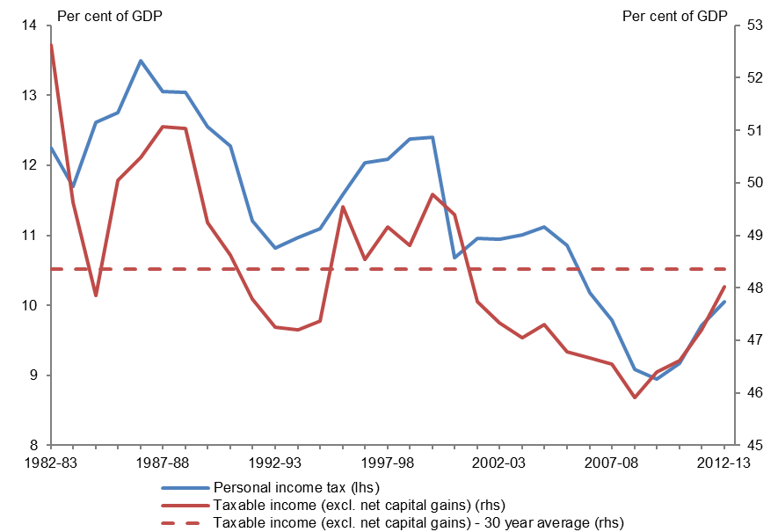
Figure 4.3 |  |  | Figure 4.3: Personal income tax and taxable income as a proportion of GDP
Personal income tax and taxable income as a proportion of GDP

 | Personal income tax | Taxable income
Year | % of GDP | % of GDP
1982-83 | 12.25 | 52.63
1983-84 | 11.69 | 49.63
1984-85 | 12.61 | 47.86
1985-86 | 12.75 | 50.05
1986-87 | 13.50 | 50.49
1987-88 | 13.06 | 51.07
1988-89 | 13.05 | 51.04
1989-90 | 12.55 | 49.24
1990-91 | 12.28 | 48.62
1991-92 | 11.21 | 47.79
1992-93 | 10.82 | 47.25
1993-94 | 10.97 | 47.20
1994-95 | 11.09 | 47.37
1995-96 | 11.59 | 49.55
1996-97 | 12.03 | 48.54
1997-98 | 12.09 | 49.16
1998-99 | 12.37 | 48.81
1999-00 | 12.39 | 49.78
2000-01 | 10.69 | 49.40
2001-02 | 10.95 | 47.73
2002-03 | 10.94 | 47.33
2003-04 | 11.01 | 47.05
2004-05 | 11.12 | 47.30
2005-06 | 10.85 | 46.79
2006-07 | 10.18 | 46.66
2007-08 | 9.79 | 46.55
2008-09 | 9.08 | 45.92
2009-10 | 8.94 | 46.39
2010-11 | 9.17 | 46.61
2011-12 | 9.71 | 47.20
2012-13 | 10.05 | 48.02

Sources: PBO based on data from the ABS, ATO and Treasury
Note: Taxable income has been derived from ATO data and adjusted for late lodging individuals. It excludes net capital gains.

Figure 4.4
Trends in Australian Government receipts – underlying data

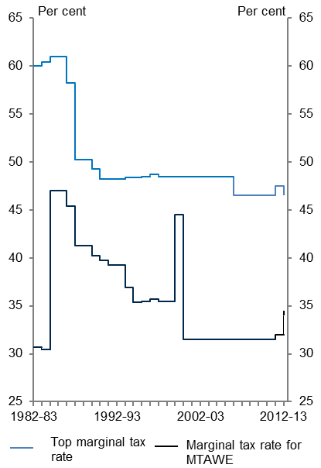
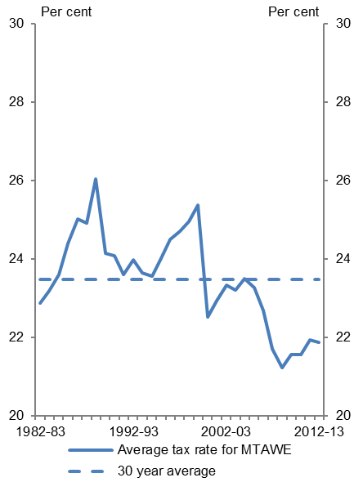
Figure 4.4 |  |  |  | Figure 4.4: Marginal and average tax rates on Male Total Average Weekly Earnings
Marginal and average tax rates on Male Total Average Weekly Earnings

 | Top marginal tax rate | Marginal tax rate for MTAWE | Average tax rate for MTAWE
Year | % | % | %
1982-83 | 60 | 30.67 | 22.88
1983-84 | 60.416 | 30.416 | 23.18
1984-85 | 61 | 47 | 23.60
1985-86 | 61 | 47 | 24.39
1986-87 | 58.225 | 45.395 | 25.01
1987-88 | 50.25 | 41.25 | 24.92
1988-89 | 50.25 | 41.25 | 26.04
1989-90 | 49.25 | 40.25 | 24.14
1990-91 | 48.25 | 39.75 | 24.09
1991-92 | 48.25 | 39.25 | 23.59
1992-93 | 48.25 | 39.25 | 23.98
1993-94 | 48.4 | 36.9 | 23.64
1994-95 | 48.4 | 35.4 | 23.57
1995-96 | 48.5 | 35.5 | 24.02
1996-97 | 48.7 | 35.7 | 24.51
1997-98 | 48.5 | 35.5 | 24.71
1998-99 | 48.5 | 35.5 | 24.97
1999-00 | 48.5 | 44.5 | 25.38
2000-01 | 48.5 | 31.5 | 22.53
2001-02 | 48.5 | 31.5 | 22.94
2002-03 | 48.5 | 31.5 | 23.33
2003-04 | 48.5 | 31.5 | 23.21
2004-05 | 48.5 | 31.5 | 23.50
2005-06 | 48.5 | 31.5 | 23.28
2006-07 | 46.5 | 31.5 | 22.68
2007-08 | 46.5 | 31.5 | 21.70
2008-09 | 46.5 | 31.5 | 21.23
2009-10 | 46.5 | 31.5 | 21.56
2010-11 | 46.5 | 31.5 | 21.56
2011-12 | 47.5 | 32.0 | 21.93
2012-13 | 46.5 | 34.0 | 21.87

Sources: PBO based on data from the ABS and ATO
Note: The tax rates in this analysis include the Medicare Levy, the gun buy-back levy and the Flood Levy. The Medicare Levy surcharge is not included in the calculations.

Figure 4.5
Trends in Australian Government receipts – underlying data

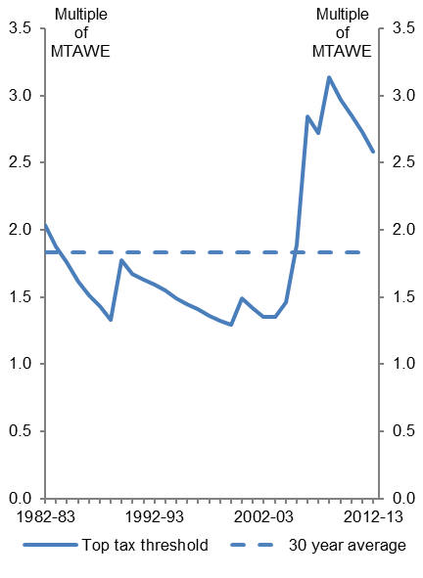
Figure 4.5 |  | Figure 4.5: Top personal income tax threshold as a multiple of MTAWE
Top personal income tax threshold as a multiple of MTAWE

 | Top tax threshold
Year | Multiple of MTAWE
1982-83 | 2.04
1983-84 | 1.88
1984-85 | 1.76
1985-86 | 1.62
1986-87 | 1.51
1987-88 | 1.43
1988-89 | 1.33
1989-90 | 1.77
1990-91 | 1.67
1991-92 | 1.63
1992-93 | 1.59
1993-94 | 1.55
1994-95 | 1.49
1995-96 | 1.44
1996-97 | 1.41
1997-98 | 1.36
1998-99 | 1.32
1999-00 | 1.29
2000-01 | 1.49
2001-02 | 1.42
2002-03 | 1.35
2003-04 | 1.35
2004-05 | 1.46
2005-06 | 1.89
2006-07 | 2.84
2007-08 | 2.72
2008-09 | 3.14
2009-10 | 2.97
2010-11 | 2.85
2011-12 | 2.73
2012-13 | 2.58

Sources: PBO based on data from the ABS and ATO
Note: Data on the number of individuals filing a tax return subject to the top marginal tax rate for 2011-12 and 2012‑13 was estimated using the PBO’s personal income tax microsimulation model.

Figure 4.6
Trends in Australian Government receipts – underlying data

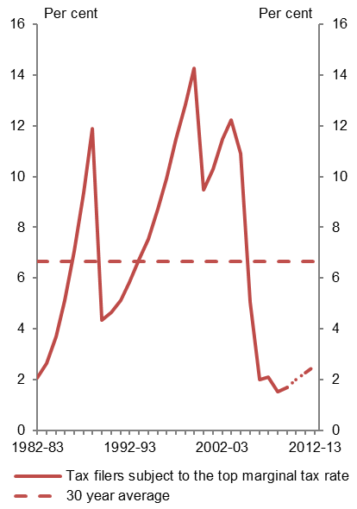
Figure 4.6 |  | Figure 4.6: Proportion of tax filers subject to the top personal income tax rate
Proportion of tax filers subject to the top personal income tax rate

 | Tax filers subject to top marginal tax rate
Year | %
1982-83 | 2.05
1983-84 | 2.62
1984-85 | 3.68
1985-86 | 5.12
1986-87 | 7.06
1987-88 | 9.36
1988-89 | 11.90
1989-90 | 4.35
1990-91 | 4.64
1991-92 | 5.12
1992-93 | 5.84
1993-94 | 6.73
1994-95 | 7.52
1995-96 | 8.71
1996-97 | 9.91
1997-98 | 11.47
1998-99 | 12.84
1999-00 | 14.25
2000-01 | 9.48
2001-02 | 10.28
2002-03 | 11.48
2003-04 | 12.22
2004-05 | 10.90
2005-06 | 5.06
2006-07 | 1.99
2007-08 | 2.10
2008-09 | 1.50
2009-10 | 1.69
2010-11 | 2.00
2011-12 | 2.25
2012-13 | 2.53

Sources: PBO based on data from the ATO and Treasury
Note: Data on the number of tax filers subject to the top marginal tax rate for 2011-12 and 2012‑13 was estimated using the PBO’s personal income tax microsimulation model.

Figure 4.7
Trends in Australian Government receipts – underlying data

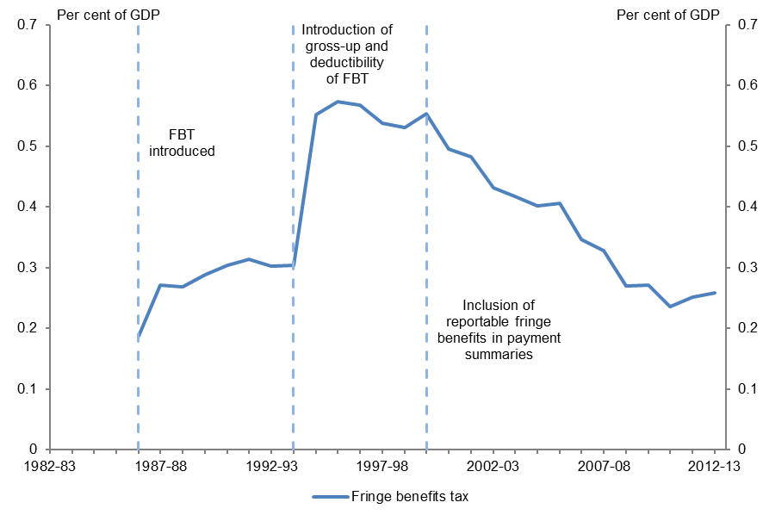
Figure 4.7 |  | Figure 4.7: FBT as a proportion of GDP
FBT as a proportion of GDP

 | Fringe benefits tax receipts
Year | % of GDP
1982-83 | 0.0
1983-84 | 0.0
1984-85 | 0.0
1985-86 | 0.0
1986-87 | 0.19
1987-88 | 0.27
1988-89 | 0.27
1989-90 | 0.29
1990-91 | 0.30
1991-92 | 0.31
1992-93 | 0.30
1993-94 | 0.30
1994-95 | 0.55
1995-96 | 0.57
1996-97 | 0.57
1997-98 | 0.54
1998-99 | 0.53
1999-00 | 0.55
2000-01 | 0.49
2001-02 | 0.48
2002-03 | 0.43
2003-04 | 0.42
2004-05 | 0.40
2005-06 | 0.41
2006-07 | 0.35
2007-08 | 0.33
2008-09 | 0.27
2009-10 | 0.27
2010-11 | 0.23
2011-12 | 0.25
2012-13 | 0.26

Sources: PBO based on data from the ABS and Treasury

Figure 4.8
Trends in Australian Government receipts – underlying data

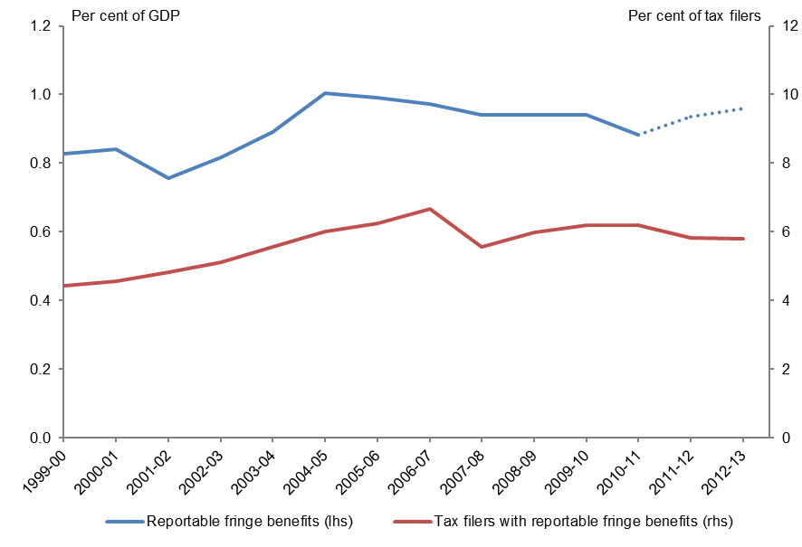
Figure 4.8 |  |  | Figure 4.8: Take-up of fringe benefits over time
Take-up of fringe benefits over time

 | Reportable fringe benefits | Tax filers with reportable fringe benefits
Year | % of GDP | % of tax filers
1999-00 | 0.83 | 4.42
2000-01 | 0.84 | 4.57
2001-02 | 0.76 | 4.83
2002-03 | 0.82 | 5.11
2003-04 | 0.89 | 5.56
2004-05 | 1.00 | 6.01
2005-06 | 0.99 | 6.25
2006-07 | 0.97 | 6.68
2007-08 | 0.94 | 5.57
2008-09 | 0.94 | 5.97
2009-10 | 0.94 | 6.18
2010-11 | 0.88 | 6.19
2011-12 | 0.93 | 5.82
2012-13 | 0.96 | 5.81

Sources: PBO based on data from the ABS, ATO and Treasury
Note: Reportable fringe benefits for 2011–12 and 2012–13 were estimated using the PBO’s personal income tax microsimulation model.

Figure 5.1
Trends in Australian Government receipts – underlying data

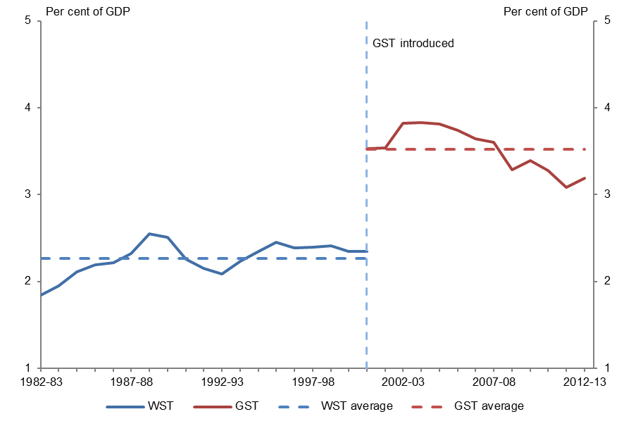
Figure 5.1 |  |  | Figure 5.1: Sales taxes as a proportion of GDP
Sales tax as a proportion of GDP

 | Wholesale Sales Tax | Goods and Services Tax
Year | % of GDP | % GDP
1982-83 | 1.84
1983-84 | 1.95
1984-85 | 2.11
1985-86 | 2.20
1986-87 | 2.21
1987-88 | 2.32
1988-89 | 2.54
1989-90 | 2.50
1990-91 | 2.26
1991-92 | 2.15
1992-93 | 2.08
1993-94 | 2.23
1994-95 | 2.34
1995-96 | 2.45
1996-97 | 2.39
1997-98 | 2.39
1998-99 | 2.41
1999-00 | 2.35
2000-01 |  | 3.53
2001-02 |  | 3.54
2002-03 |  | 3.82
2003-04 |  | 3.83
2004-05 |  | 3.81
2005-06 |  | 3.74
2006-07 |  | 3.64
2007-08 |  | 3.60
2008-09 |  | 3.28
2009-10 |  | 3.39
2010-11 |  | 3.28
2011-12 |  | 3.09
2012-13 |  | 3.19

Sources: PBO based on data from the ABS and Treasury

Figure 5.2
Trends in Australian Government receipts – underlying data

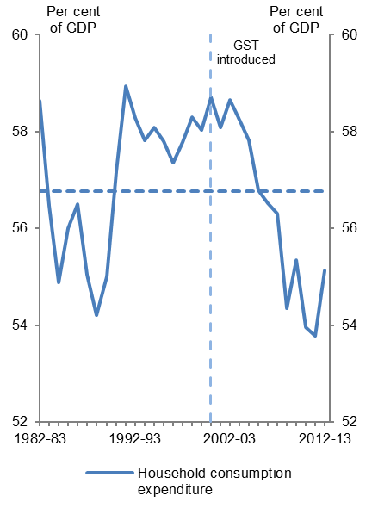
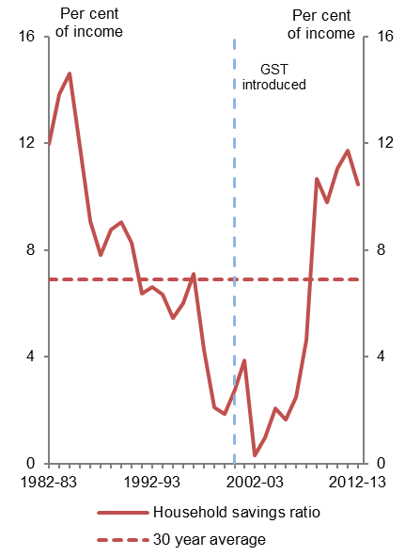
Figure 5.2 |  |  | Figure 5.2: Household consumption and savings
Household consumption and savings

 | Household Consumption | Household saving ratio
Year | % of GDP | % of income
1982-83 | 58.64 | 11.99
1983-84 | 56.46 | 13.84
1984-85 | 54.87 | 14.64
1985-86 | 56.00 | 11.87
1986-87 | 56.50 | 9.08
1987-88 | 55.05 | 7.82
1988-89 | 54.21 | 8.77
1989-90 | 55.01 | 9.05
1990-91 | 57.17 | 8.27
1991-92 | 58.93 | 6.39
1992-93 | 58.29 | 6.64
1993-94 | 57.82 | 6.35
1994-95 | 58.09 | 5.45
1995-96 | 57.80 | 6.01
1996-97 | 57.37 | 7.10
1997-98 | 57.78 | 4.26
1998-99 | 58.30 | 2.09
1999-00 | 58.03 | 1.86
2000-01 | 58.71 | 2.79
2001-02 | 58.08 | 3.88
2002-03 | 58.65 | 0.31
2003-04 | 58.24 | 0.99
2004-05 | 57.82 | 2.07
2005-06 | 56.79 | 1.64
2006-07 | 56.51 | 2.51
2007-08 | 56.31 | 4.64
2008-09 | 54.34 | 10.68
2009-10 | 55.35 | 9.81
2010-11 | 53.96 | 11.05
2011-12 | 53.78 | 11.75
2012-13 | 55.13 | 10.45

Source: PBO based on data from the ABS
Note: The household savings ratio represents household savings as a percentage of disposable income

Figure 5.3
Trends in Australian Government receipts – underlying data

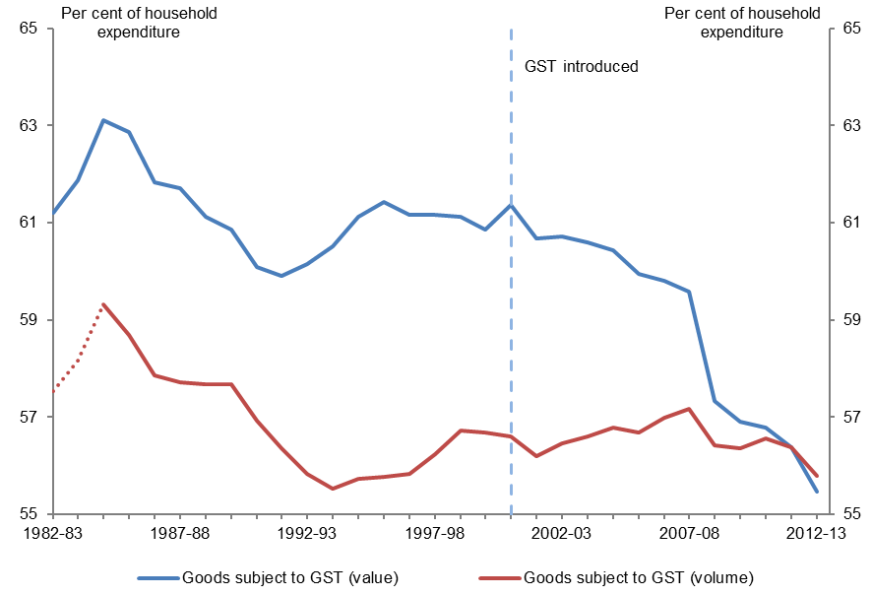
Figure 5.3 |  |  | Figure 5.3: Proportion of household expenditure subject to GST
Proportion of household expenditure subject to GST

 | Wholesale Sales Tax | Goods and Services Tax
Year | % of household expenditure | % of household expenditure
1982-83 | 61.20 | 57.53
1983-84 | 61.87 | 58.16
1984-85 | 63.11 | 59.32
1985-86 | 62.86 | 58.69
1986-87 | 61.82 | 57.87
1987-88 | 61.70 | 57.71
1988-89 | 61.11 | 57.68
1989-90 | 60.85 | 57.68
1990-91 | 60.08 | 56.92
1991-92 | 59.90 | 56.36
1992-93 | 60.15 | 55.83
1993-94 | 60.51 | 55.53
1994-95 | 61.13 | 55.73
1995-96 | 61.42 | 55.78
1996-97 | 61.17 | 55.84
1997-98 | 61.16 | 56.25
1998-99 | 61.12 | 56.72
1999-00 | 60.85 | 56.69
2000-01 | 61.37 | 56.61
2001-02 | 60.68 | 56.20
2002-03 | 60.72 | 56.46
2003-04 | 60.60 | 56.61
2004-05 | 60.43 | 56.79
2005-06 | 59.95 | 56.68
2006-07 | 59.80 | 56.98
2007-08 | 59.59 | 57.16
2008-09 | 57.33 | 56.42
2009-10 | 56.91 | 56.35
2010-11 | 56.78 | 56.56
2011-12 | 56.37 | 56.37
2012-13 | 55.47 | 55.78

Source: PBO based on data from the ABS
Note: The volume of goods subject to GST prior to 1984–85 is not available. The PBO has estimated data prior to 1984–85 by assuming that the differential between value and volume measures were consistent with their 1984–85 level.

Figure 5.4
Trends in Australian Government receipts – underlying data

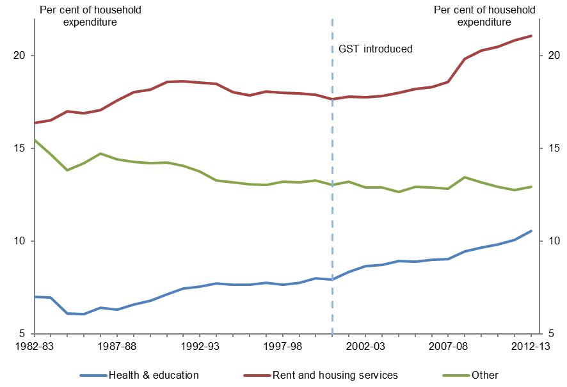
Figure 5.4 |  |  |  | Figure 5.4: Proportion of Household Expenditure GST excluded categories
Proportion of Household Expenditure GST excluded categories

 | Health & education | Rent and housing services | Other
Year | % of household expenditure | % of household expenditure | % of household expenditure
1982-83 | 7.01 | 16.35 | 15.43
1983-84 | 6.95 | 16.50 | 14.68
1984-85 | 6.11 | 16.97 | 13.80
1985-86 | 6.06 | 16.88 | 14.19
1986-87 | 6.41 | 17.06 | 14.71
1987-88 | 6.31 | 17.56 | 14.42
1988-89 | 6.60 | 18.02 | 14.27
1989-90 | 6.80 | 18.17 | 14.19
1990-91 | 7.13 | 18.57 | 14.22
1991-92 | 7.44 | 18.61 | 14.05
1992-93 | 7.54 | 18.54 | 13.77
1993-94 | 7.74 | 18.48 | 13.27
1994-95 | 7.66 | 18.04 | 13.18
1995-96 | 7.64 | 17.86 | 13.07
1996-97 | 7.77 | 18.05 | 13.01
1997-98 | 7.65 | 17.99 | 13.20
1998-99 | 7.76 | 17.95 | 13.17
1999-00 | 7.99 | 17.88 | 13.28
2000-01 | 7.94 | 17.64 | 13.04
2001-02 | 8.35 | 17.79 | 13.18
2002-03 | 8.64 | 17.74 | 12.90
2003-04 | 8.71 | 17.80 | 12.89
2004-05 | 8.93 | 17.99 | 12.64
2005-06 | 8.91 | 18.21 | 12.93
2006-07 | 9.01 | 18.29 | 12.90
2007-08 | 9.03 | 18.56 | 12.83
2008-09 | 9.43 | 19.81 | 13.43
2009-10 | 9.66 | 20.27 | 13.15
2010-11 | 9.82 | 20.46 | 12.94
2011-12 | 10.07 | 20.80 | 12.76
2012-13 | 10.53 | 21.07 | 12.93

Source: PBO based on data from the ABS
Note: Other includes certain food and some financial services.

Figure 5.5
Trends in Australian Government receipts – underlying data

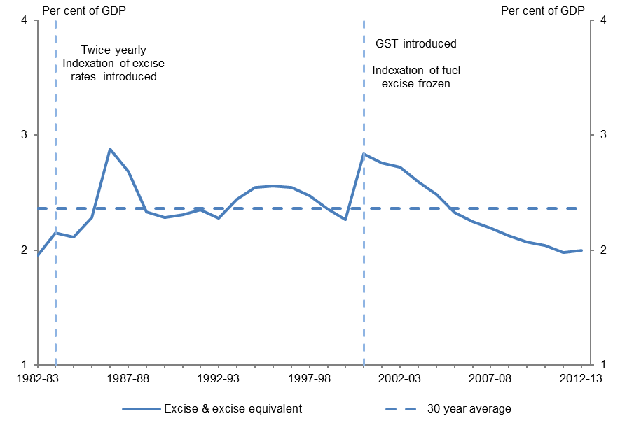
Figure 5.5 |  | Figure 5.5: Excise as a proportion of GDP
Excise as a proportion of GDP

 | Excise and excise equivalent
Year | % of GDP
1982-83 | 1.95
1983-84 | 2.15
1984-85 | 2.11
1985-86 | 2.28
1986-87 | 2.88
1987-88 | 2.69
1988-89 | 2.33
1989-90 | 2.28
1990-91 | 2.30
1991-92 | 2.35
1992-93 | 2.28
1993-94 | 2.44
1994-95 | 2.55
1995-96 | 2.56
1996-97 | 2.54
1997-98 | 2.47
1998-99 | 2.36
1999-00 | 2.26
2000-01 | 2.84
2001-02 | 2.76
2002-03 | 2.72
2003-04 | 2.59
2004-05 | 2.48
2005-06 | 2.33
2006-07 | 2.25
2007-08 | 2.19
2008-09 | 2.12
2009-10 | 2.07
2010-11 | 2.04
2011-12 | 1.98
2012-13 | 2.00

Source: PBO based on data from the Treasury
Note: Excludes excise on crude oil and LPG production which has been included in the section on resource taxation. Includes excise-equivalent customs duty.

Figure 5.6
Trends in Australian Government receipts – underlying data

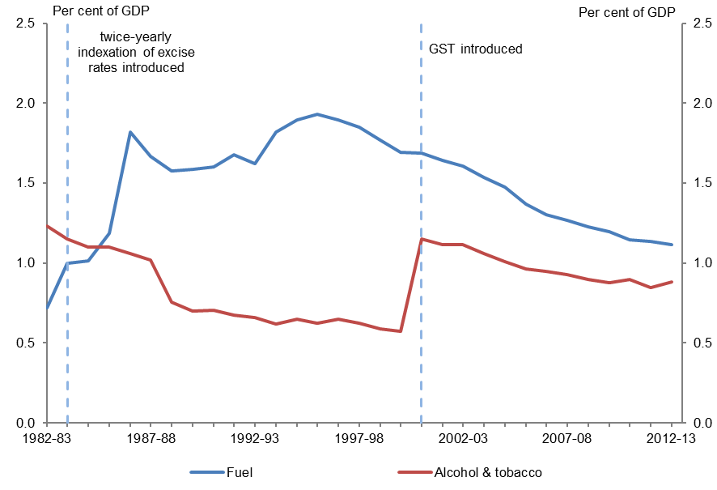
Figure 5.6 |  |  | Figure 5.6: Fuel, alcohol and tobacco excise
Fuel, alcohol and tobacco excise

 | Fuel excise | Alcohol & tobacco excise
Year | % of GDP | % of GDP
1982-83 | 0.72 | 1.23
1983-84 | 1.00 | 1.15
1984-85 | 1.01 | 1.10
1985-86 | 1.18 | 1.10
1986-87 | 1.82 | 1.06
1987-88 | 1.67 | 1.02
1988-89 | 1.58 | 0.76
1989-90 | 1.59 | 0.70
1990-91 | 1.60 | 0.70
1991-92 | 1.68 | 0.68
1992-93 | 1.62 | 0.66
1993-94 | 1.82 | 0.62
1994-95 | 1.90 | 0.65
1995-96 | 1.93 | 0.63
1996-97 | 1.89 | 0.65
1997-98 | 1.85 | 0.62
1998-99 | 1.77 | 0.59
1999-00 | 1.69 | 0.57
2000-01 | 1.69 | 1.15
2001-02 | 1.64 | 1.11
2002-03 | 1.61 | 1.12
2003-04 | 1.53 | 1.06
2004-05 | 1.47 | 1.01
2005-06 | 1.37 | 0.96
2006-07 | 1.30 | 0.95
2007-08 | 1.26 | 0.93
2008-09 | 1.23 | 0.90
2009-10 | 1.20 | 0.88
2010-11 | 1.15 | 0.90
2011-12 | 1.13 | 0.85
2012-13 | 1.11 | 0.88

Source: PBO based on data from the Treasury and ABS
Note: The alcohol and tobacco data includes excise equivalent duty. The PBO has estimated tobacco receipts for 2012–13 as data are not publicly available.

Figure 5.7
Trends in Australian Government receipts – underlying data

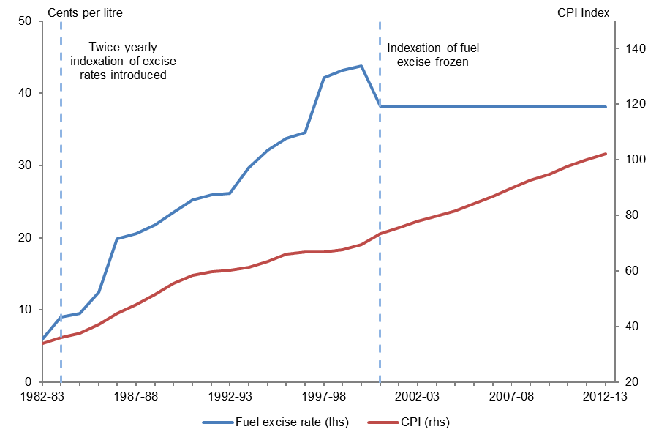
Figure 5.7 |  |  | Figure 5.7: Fuel excise rate compared to CPI
Fuel excise rate compared to CPI

 | Fuel excise rate | CPI
Year | Cents per litre | Index
1982-83 | 6.03 | 33.9
1983-84 | 9.03 | 36.2
1984-85 | 9.50 | 37.8
1985-86 | 12.43 | 40.9
1986-87 | 19.89 | 44.7
1987-88 | 20.53 | 48.0
1988-89 | 21.83 | 51.5
1989-90 | 23.49 | 55.7
1990-91 | 25.21 | 58.6
1991-92 | 25.93 | 59.7
1992-93 | 26.19 | 60.3
1993-94 | 29.66 | 61.4
1994-95 | 32.16 | 63.4
1995-96 | 33.71 | 66.1
1996-97 | 34.59 | 67.0
1997-98 | 42.12 | 67.0
1998-99 | 43.16 | 67.8
1999-00 | 43.75 | 69.4
2000-01 | 38.20 | 73.6
2001-02 | 38.14 | 75.7
2002-03 | 38.14 | 78.0
2003-04 | 38.14 | 79.9
2004-05 | 38.14 | 81.8
2005-06 | 38.14 | 84.4
2006-07 | 38.14 | 86.9
2007-08 | 38.14 | 89.8
2008-09 | 38.14 | 92.6
2009-10 | 38.14 | 94.8
2010-11 | 38.14 | 97.7
2011-12 | 38.14 | 100.0
2012-13 | 38.14 | 102.3

Source: PBO based on data from the ABS, James (1996), Webb (2001) and the Treasury
Note: The average annual excise rate for unleaded petrol has been used to calculate the excise rate series.

Figure 5.8
Trends in Australian Government receipts – underlying data

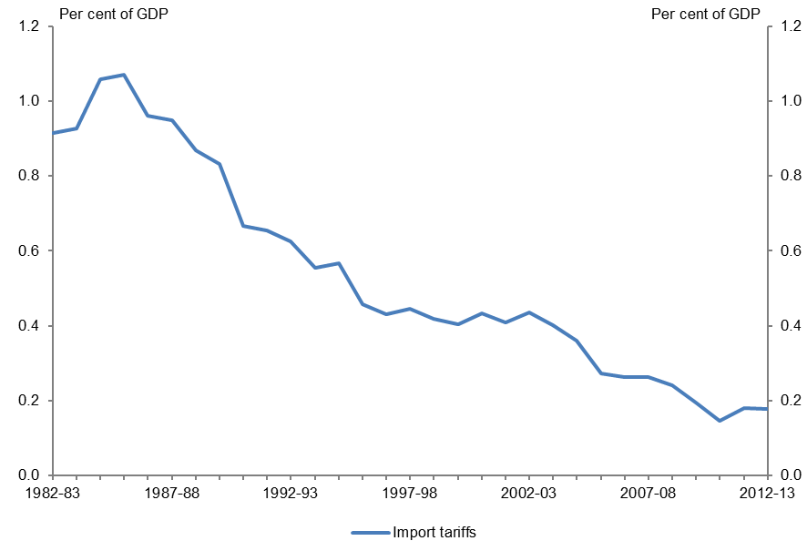
Figure 5.8 |  | Figure 5.8: Import tariff receipts as a proportion of GDP
Import tariff receipts as a proportion of GDP

 | Import tariffs
Year | % of GDP
1982-83 | 0.91
1983-84 | 0.93
1984-85 | 1.06
1985-86 | 1.07
1986-87 | 0.96
1987-88 | 0.95
1988-89 | 0.87
1989-90 | 0.83
1990-91 | 0.67
1991-92 | 0.65
1992-93 | 0.62
1993-94 | 0.56
1994-95 | 0.57
1995-96 | 0.46
1996-97 | 0.43
1997-98 | 0.45
1998-99 | 0.42
1999-00 | 0.40
2000-01 | 0.43
2001-02 | 0.41
2002-03 | 0.43
2003-04 | 0.40
2004-05 | 0.36
2005-06 | 0.27
2006-07 | 0.26
2007-08 | 0.26
2008-09 | 0.24
2009-10 | 0.19
2010-11 | 0.15
2011-12 | 0.18
2012-13 | 0.18

Sources: PBO based on data from the Treasury and ABS

Figure 6.1
Trends in Australian Government receipts – underlying data

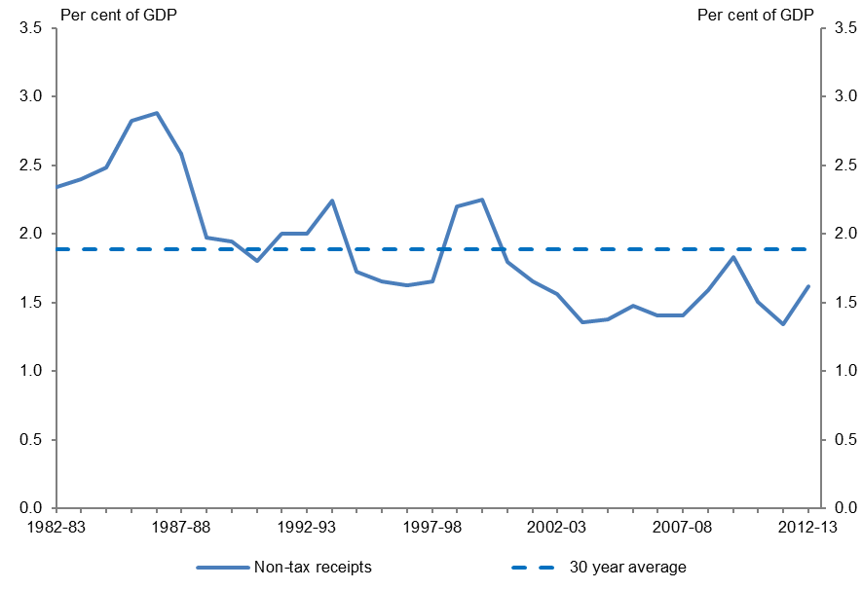
Figure 6.1 |  | Figure 6.1: Non-tax receipts as a proportion of GDP
Non-tax receipts as a proportion of GDP

 | Non-tax receipts
Year | % of GDP
1982-83 | 2.34
1983-84 | 2.40
1984-85 | 2.48
1985-86 | 2.82
1986-87 | 2.88
1987-88 | 2.58
1988-89 | 1.97
1989-90 | 1.94
1990-91 | 1.81
1991-92 | 2.00
1992-93 | 2.00
1993-94 | 2.24
1994-95 | 1.72
1995-96 | 1.65
1996-97 | 1.62
1997-98 | 1.66
1998-99 | 2.20
1999-00 | 2.25
2000-01 | 1.79
2001-02 | 1.66
2002-03 | 1.56
2003-04 | 1.36
2004-05 | 1.37
2005-06 | 1.48
2006-07 | 1.40
2007-08 | 1.40
2008-09 | 1.59
2009-10 | 1.83
2010-11 | 1.51
2011-12 | 1.34
2012-13 | 1.62

Source: PBO based on data from the ABS and Treasury

Figure 6.2
Trends in Australian Government receipts – underlying data

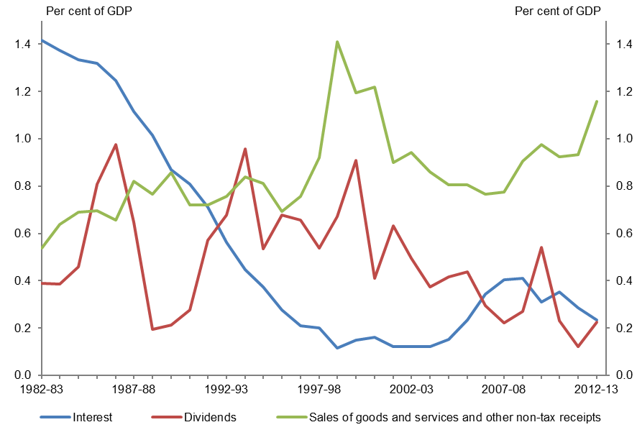
Figure 6.2 |  |  |  | Figure 6.2: Non-tax receipts by component as a proportion of GDP
Non-tax receipts by component as a proportion of GDP

 | Interest | Dividends | Sales of goods and services and other non-tax receipts
Year | % of GDP | % of GDP | % of GDP
1982-83 | 1.42 | 0.39 | 0.54
1983-84 | 1.37 | 0.39 | 0.64
1984-85 | 1.33 | 0.46 | 0.69
1985-86 | 1.32 | 0.81 | 0.70
1986-87 | 1.25 | 0.98 | 0.66
1987-88 | 1.12 | 0.65 | 0.82
1988-89 | 1.01 | 0.20 | 0.77
1989-90 | 0.87 | 0.21 | 0.86
1990-91 | 0.81 | 0.28 | 0.72
1991-92 | 0.71 | 0.57 | 0.72
1992-93 | 0.56 | 0.68 | 0.76
1993-94 | 0.45 | 0.96 | 0.84
1994-95 | 0.37 | 0.53 | 0.81
1995-96 | 0.28 | 0.68 | 0.69
1996-97 | 0.21 | 0.66 | 0.76
1997-98 | 0.20 | 0.54 | 0.92
1998-99 | 0.11 | 0.67 | 1.41
1999-00 | 0.15 | 0.91 | 1.19
2000-01 | 0.16 | 0.41 | 1.22
2001-02 | 0.12 | 0.63 | 0.90
2002-03 | 0.12 | 0.49 | 0.94
2003-04 | 0.12 | 0.37 | 0.86
2004-05 | 0.15 | 0.42 | 0.81
2005-06 | 0.23 | 0.44 | 0.81
2006-07 | 0.34 | 0.29 | 0.76
2007-08 | 0.40 | 0.22 | 0.78
2008-09 | 0.41 | 0.27 | 0.91
2009-10 | 0.31 | 0.54 | 0.98
2010-11 | 0.35 | 0.23 | 0.92
2011-12 | 0.29 | 0.12 | 0.93
2012-13 | 0.23 | 0.22 | 1.16

Source: PBO based on data from the ABS and Treasury
Note: Sales of goods and services and other non-tax receipts data for the period 1982–83 to 1998–99 is based on unpublished ABS data. In 1999–2000, sales of goods and services and other non-tax receipts are calculated by subtracting interest receipts reported in the 2001-02 Budget papers and dividend receipts reported in unpublished ABS data from total non-tax receipts. This method is continued from 2000-01 onwards using interest and dividend receipts reported in Final Budget Outcomes.

Figure 6.3
Trends in Australian Government receipts – underlying data

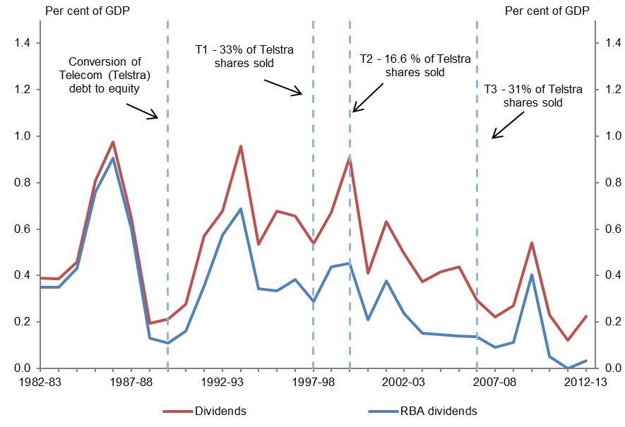
Figure 6.3 |  |  | Figure 6.3: Dividend receipts as a proportion of GDP
Dividend receipts as a proportion of GDP

 | Dividends | RBA dividends
Year | % of GDP | % of GDP
1982-83 | 0.39 | 0.35
1983-84 | 0.39 | 0.35
1984-85 | 0.46 | 0.43
1985-86 | 0.81 | 0.76
1986-87 | 0.98 | 0.91
1987-88 | 0.65 | 0.60
1988-89 | 0.20 | 0.13
1989-90 | 0.21 | 0.11
1990-91 | 0.28 | 0.16
1991-92 | 0.57 | 0.36
1992-93 | 0.68 | 0.58
1993-94 | 0.96 | 0.69
1994-95 | 0.53 | 0.34
1995-96 | 0.68 | 0.33
1996-97 | 0.66 | 0.38
1997-98 | 0.54 | 0.29
1998-99 | 0.67 | 0.44
1999-00 | 0.91 | 0.45
2000-01 | 0.41 | 0.21
2001-02 | 0.63 | 0.38
2002-03 | 0.49 | 0.24
2003-04 | 0.37 | 0.15
2004-05 | 0.42 | 0.15
2005-06 | 0.44 | 0.14
2006-07 | 0.29 | 0.14
2007-08 | 0.22 | 0.09
2008-09 | 0.27 | 0.11
2009-10 | 0.54 | 0.40
2010-11 | 0.23 | 0.05
2011-12 | 0.12 | 0.00
2012-13 | 0.22 | 0.03

Source: PBO based on data from the ABS, RBA and Treasury

Figure 6.4
Trends in Australian Government receipts – underlying data

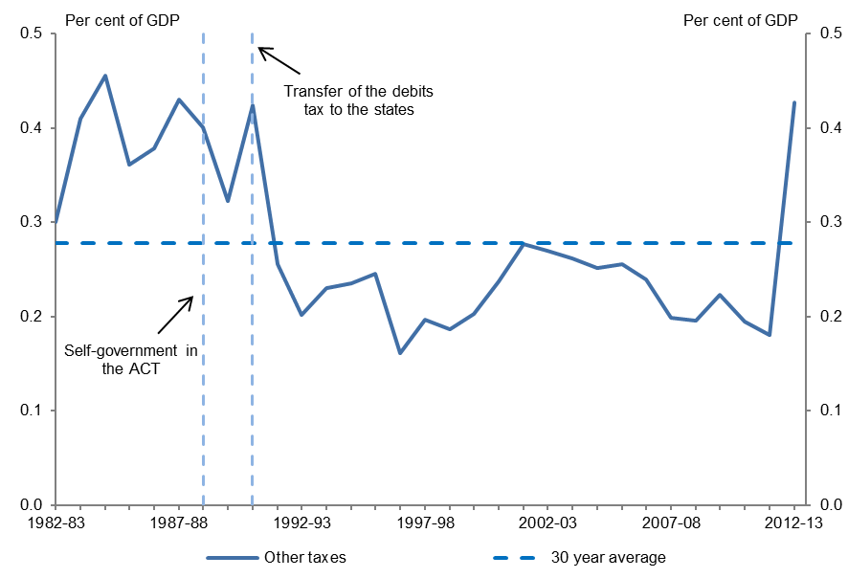
Figure 6.4 |  | Figure 6.4: Other tax receipts as a proportion of GDP
Other tax receipts as a proportion of GDP

 | Other tax receipts
Year | % of GDP
1982-83 | 0.30
1983-84 | 0.41
1984-85 | 0.46
1985-86 | 0.36
1986-87 | 0.38
1987-88 | 0.43
1988-89 | 0.40
1989-90 | 0.32
1990-91 | 0.42
1991-92 | 0.26
1992-93 | 0.20
1993-94 | 0.23
1994-95 | 0.24
1995-96 | 0.25
1996-97 | 0.16
1997-98 | 0.20
1998-99 | 0.19
1999-00 | 0.20
2000-01 | 0.24
2001-02 | 0.28
2002-03 | 0.27
2003-04 | 0.26
2004-05 | 0.25
2005-06 | 0.25
2006-07 | 0.24
2007-08 | 0.20
2008-09 | 0.20
2009-10 | 0.22
2010-11 | 0.19
2011-12 | 0.18
2012-13 | 0.43

Source: PBO based on data from the ABS and Treasury

